Nike Sept 24 Optical
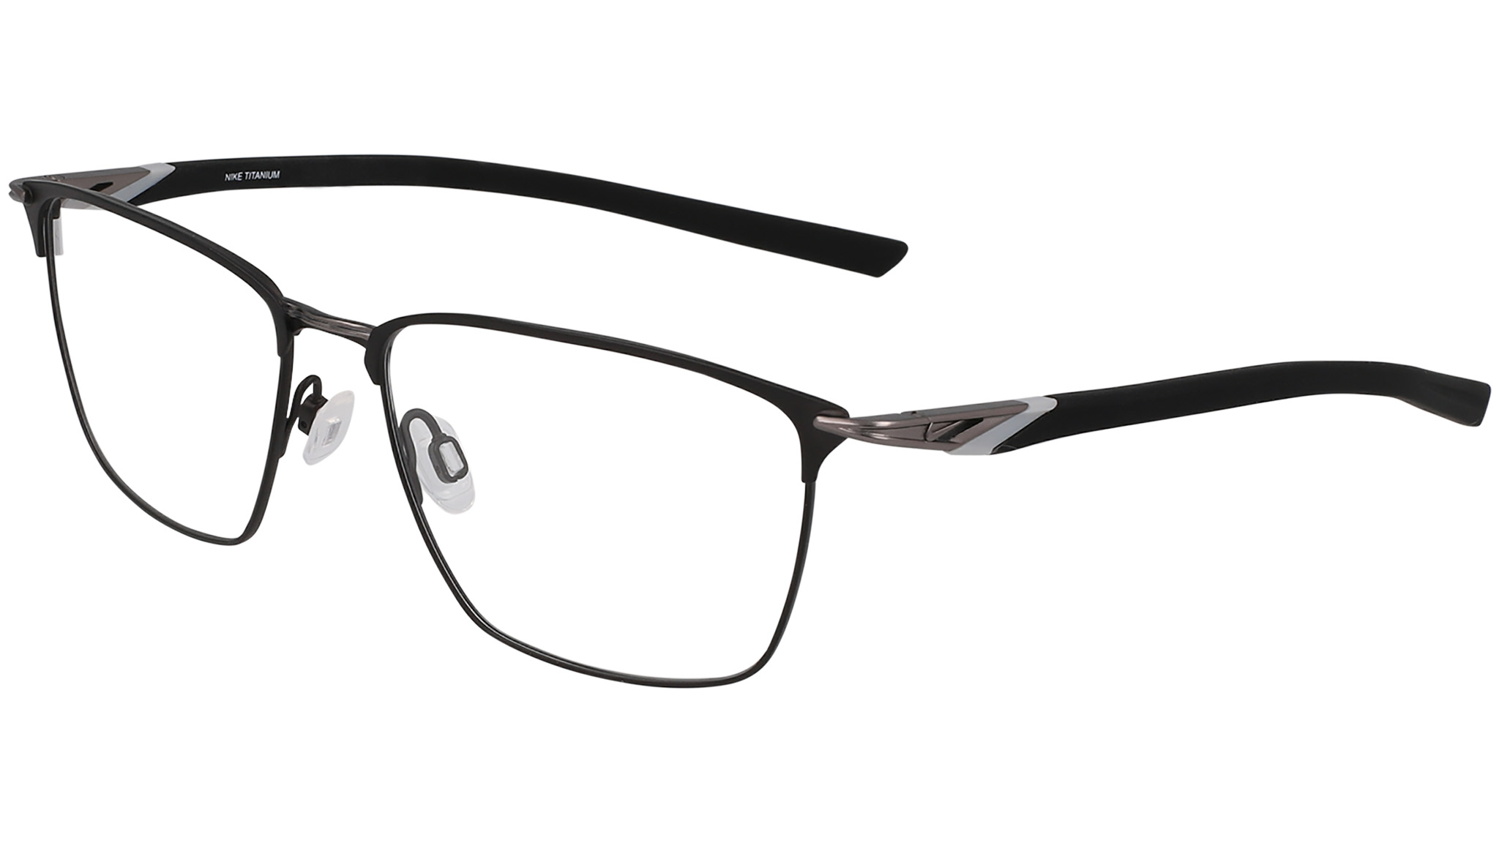
Image | Brand | ReleaseDate | ColorAdd | RecommendedReasons | Notes | StyleCode | MaterialCode1 | MaterialCode2 | MaterialNumber | PrototypeCode | ColorCode | ColorDescription | FrameConstruction | FrameShape | RXAble | Gender | SunOptical | Fit | Family | MadeIn | Sizes | BaseCurve | EuroWholesalePrice | EuroRetailPrice | USWholesalePrice | USRetailPrice
 | NIKE | NIKE - SEP 2024 |  |  |  | NIKE_6066 | TITANIUM | INJ-SILICONE | NK6066 | PNRX-2402B | 001 | MATTE BLACK | FULL RIM | SQUARE | true | M | Optical | GLOBAL | NK LIFESTYLE ELITE | CHINA ONLY | 56-17-145 | 4 | € 82.50 | € 222.75 | $112.00 | $302.40
 | NIKE | NIKE - SEP 2024 |  |  |  | NIKE_6066 | TITANIUM | INJ-SILICONE | NK6066 | PNRX-2402B | 045 | SATIN SILVER | FULL RIM | SQUARE | true | M | Optical | GLOBAL | NK LIFESTYLE ELITE | CHINA ONLY | 56-17-145 | 4 | € 82.50 | € 222.75 | $112.00 | $302.40
 | NIKE | NIKE - SEP 2024 |  |  |  | NIKE_6066 | TITANIUM | INJ-SILICONE | NK6066 | PNRX-2402B | 070 | SATIN GUNMETAL | FULL RIM | SQUARE | true | M | Optical | GLOBAL | NK LIFESTYLE ELITE | CHINA ONLY | 56-17-145 | 4 | € 82.50 | € 222.75 | $112.00 | $302.40
 | NIKE | NIKE - SEP 2024 |  |  |  | NIKE_6066 | TITANIUM | INJ-SILICONE | NK6066 | PNRX-2402B | 411 | MATTE OBSIDIAN/SILVER | FULL RIM | SQUARE | true | M | Optical | GLOBAL | NK LIFESTYLE ELITE | CHINA ONLY | 56-17-145 | 4 | € 82.50 | € 222.75 | $112.00 | $302.40
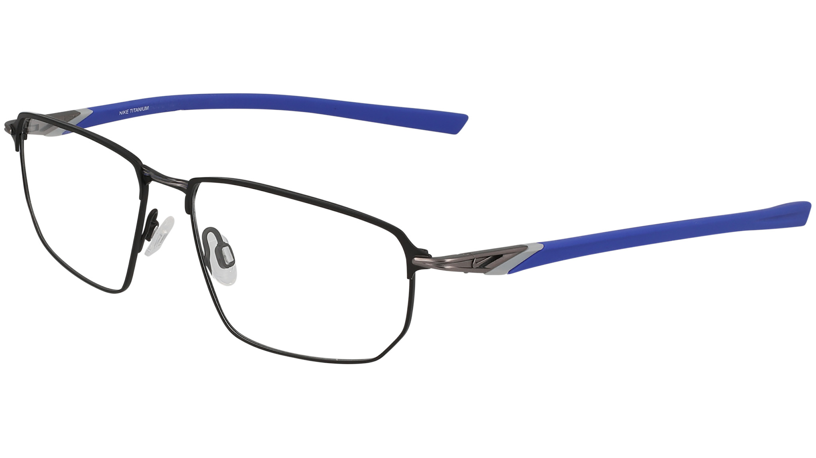
 | NIKE | NIKE - SEP 2024 |  |  |  | NIKE_6067 | TITANIUM | INJ-SILICONE | NK6067 | PNRX-2402C | 004 | MATTE BLACK/ASTRONOMY BLUE | FULL RIM | MODIFIED RECTANGLE | true | M | Optical | GLOBAL | NK LIFESTYLE ELITE | CHINA ONLY | 55-16-145 | 4 | € 82.50 | € 222.75 | $112.00 | $302.40
 | NIKE | NIKE - SEP 2024 |  |  |  | NIKE_6067 | TITANIUM | INJ-SILICONE | NK6067 | PNRX-2402C | 045 | SATIN SILVER/TOTAL ORANGE | FULL RIM | MODIFIED RECTANGLE | true | M | Optical | GLOBAL | NK LIFESTYLE ELITE | CHINA ONLY | 55-16-145 | 4 | € 82.50 | € 222.75 | $112.00 | $302.40
 | NIKE | NIKE - SEP 2024 |  |  |  | NIKE_6067 | TITANIUM | INJ-SILICONE | NK6067 | PNRX-2402C | 070 | SATIN GUNMETAL/DARK SMOKE GREY | FULL RIM | MODIFIED RECTANGLE | true | M | Optical | GLOBAL | NK LIFESTYLE ELITE | CHINA ONLY | 55-16-145 | 4 | € 82.50 | € 222.75 | $112.00 | $302.40
 | NIKE | NIKE - SEP 2024 |  |  |  | NIKE_6067 | TITANIUM | INJ-SILICONE | NK6067 | PNRX-2402C | 076 | SATIN GUNMETAL/UNIVERSITY RED | FULL RIM | MODIFIED RECTANGLE | true | M | Optical | GLOBAL | NK LIFESTYLE ELITE | CHINA ONLY | 55-16-145 | 4 | € 82.50 | € 222.75 | $112.00 | $302.40
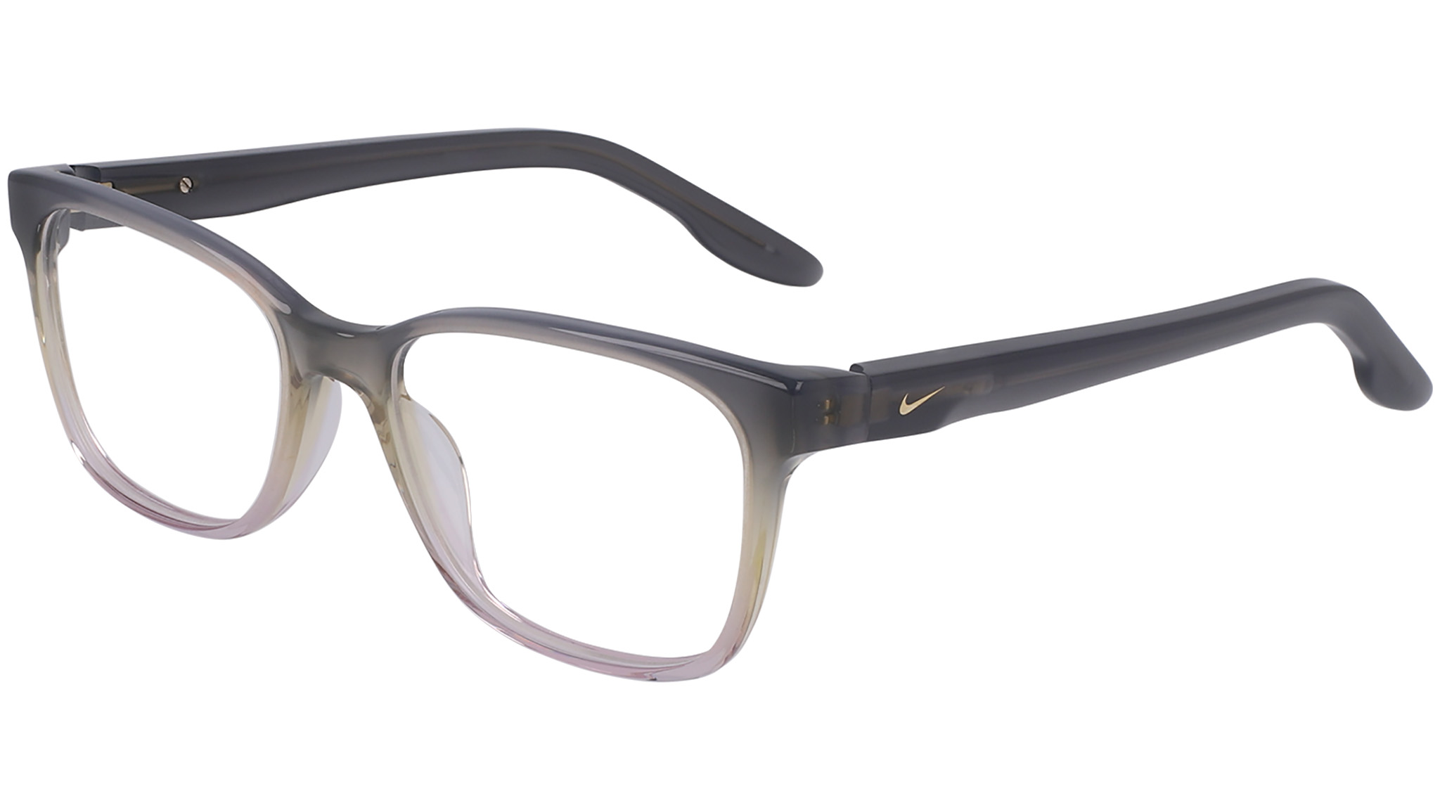
 | NIKE | NIKE - SEP 2024 |  | MOVE TO ZERO SHAPE ADD |  | NIKE_7177 | REC ACETATE-RENEW | REC ACETATE-RENEW | NK7177 | PNRX-2437 | 010 | BLACK/CLEAR GRADIENT | FULL RIM | MODIFIED RECTANGLE | true | F | Optical | GLOBAL | NK LIFESTYLE STATEMENT | CHINA ONLY | 53-17-140 | 4 | € 67.50 | € 182.25 | $91.50 | $247.05
 | NIKE | NIKE - SEP 2024 |  | MOVE TO ZERO SHAPE ADD |  | NIKE_7177 | REC ACETATE-RENEW | REC ACETATE-RENEW | NK7177 | PNRX-2437 | 025 | GREY/LILAC GRADIENT | FULL RIM | MODIFIED RECTANGLE | true | F | Optical | GLOBAL | NK LIFESTYLE STATEMENT | CHINA ONLY | 53-17-140 | 4 | € 67.50 | € 182.25 | $91.50 | $247.05
 | NIKE | NIKE - SEP 2024 |  | MOVE TO ZERO SHAPE ADD |  | NIKE_7177 | REC ACETATE-RENEW | REC ACETATE-RENEW | NK7177 | PNRX-2437 | 277 | CACAO/PINK FOAM GRADIENT | FULL RIM | MODIFIED RECTANGLE | true | F | Optical | GLOBAL | NK LIFESTYLE STATEMENT | CHINA ONLY | 53-17-140 | 4 | € 67.50 | € 182.25 | $91.50 | $247.05
 | NIKE | NIKE - SEP 2024 |  | MOVE TO ZERO SHAPE ADD | ad image | NIKE_7177 | REC ACETATE-RENEW | REC ACETATE-RENEW | NK7177 | PNRX-2437 | 407 | BLUE/PEACH GRADIENT | FULL RIM | MODIFIED RECTANGLE | true | F | Optical | GLOBAL | NK LIFESTYLE STATEMENT | CHINA ONLY | 53-17-140 | 4 | € 67.50 | € 182.25 | $91.50 | $247.05
 | NIKE | NIKE - SEP 2024 |  | LIVE FREE SHAPE ADD |  | NIKE_7277 | BIO INJ-G850 | BIO INJ-G850 | NK7277 | PNRX-2438C | 001 | BLACK | FULL RIM | MODIFIED RECTANGLE | true | M | Optical | GLOBAL | NK LIFESTYLE ESSENTIALS | CHINA ONLY | 53-18-145 | 4 | € 59.50 | € 160.65 | $81.00 | $218.70
 | NIKE | NIKE - SEP 2024 |  | LIVE FREE SHAPE ADD |  | NIKE_7277 | BIO INJ-G850 | BIO INJ-G850 | NK7277 | PNRX-2438C | 034 | SMOKE GREY | FULL RIM | MODIFIED RECTANGLE | true | M | Optical | GLOBAL | NK LIFESTYLE ESSENTIALS | CHINA ONLY | 53-18-145 | 4 | € 59.50 | € 160.65 | $81.00 | $218.70
 | NIKE | NIKE - SEP 2024 |  | LIVE FREE SHAPE ADD |  | NIKE_7277 | BIO INJ-G850 | BIO INJ-G850 | NK7277 | PNRX-2438C | 301 | VINTAGE GREEN | FULL RIM | MODIFIED RECTANGLE | true | M | Optical | GLOBAL | NK LIFESTYLE ESSENTIALS | CHINA ONLY | 53-18-145 | 4 | € 59.50 | € 160.65 | $81.00 | $218.70
 | NIKE | NIKE - SEP 2024 |  | LIVE FREE SHAPE ADD |  | NIKE_7277 | BIO INJ-G850 | BIO INJ-G850 | NK7277 | PNRX-2438C | 412 | ARMORY NAVY | FULL RIM | MODIFIED RECTANGLE | true | M | Optical | GLOBAL | NK LIFESTYLE ESSENTIALS | CHINA ONLY | 53-18-145 | 4 | € 59.50 | € 160.65 | $81.00 | $218.70
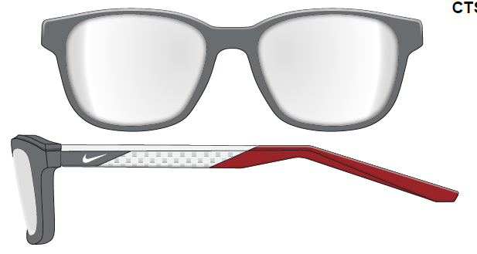
 | NIKE | NIKE - SEP 2024 |  | LIVE FREE SHAPE ADD |  | NIKE_7278 | BIO INJ-G850 | BIO INJ-G850 | NK7278 | PNRX-2438E | 001 | BLACK | FULL RIM | MODIFIED RECTANGLE | true | M | Optical | GLOBAL | NK LIFESTYLE ESSENTIALS | CHINA ONLY | 55-18-145 | 4 | € 59.50 | € 160.65 | $81.00 | $218.70
 | NIKE | NIKE - SEP 2024 |  | LIVE FREE SHAPE ADD |  | NIKE_7278 | BIO INJ-G850 | BIO INJ-G850 | NK7278 | PNRX-2438E | 034 | SMOKE GREY | FULL RIM | MODIFIED RECTANGLE | true | M | Optical | GLOBAL | NK LIFESTYLE ESSENTIALS | CHINA ONLY | 55-18-145 | 4 | € 59.50 | € 160.65 | $81.00 | $218.70
 | NIKE | NIKE - SEP 2024 |  | LIVE FREE SHAPE ADD |  | NIKE_7278 | BIO INJ-G850 | BIO INJ-G850 | NK7278 | PNRX-2438E | 411 | OBSIDIAN | FULL RIM | MODIFIED RECTANGLE | true | M | Optical | GLOBAL | NK LIFESTYLE ESSENTIALS | CHINA ONLY | 55-18-145 | 4 | € 59.50 | € 160.65 | $81.00 | $218.70
 | NIKE | NIKE - SEP 2024 |  | LIVE FREE SHAPE ADD |  | NIKE_7278 | BIO INJ-G850 | BIO INJ-G850 | NK7278 | PNRX-2438E | 903 | CLEAR | FULL RIM | MODIFIED RECTANGLE | true | M | Optical | GLOBAL | NK LIFESTYLE ESSENTIALS | CHINA ONLY | 55-18-145 | 4 | € 59.50 | € 160.65 | $81.00 | $218.70
 | NIKE | NIKE - SEP 2024 |  | INSPIRED BY NIKE RABID 22 |  | NIKE_7291 | BIO INJ-G850 | BIO INJ-G850 | NK7291 | PNRX-2403D | 006 | MATTE BLACK/UNIVERSITY RED | FULL RIM | MODIFIED RECTANGLE | true | M | Optical | GLOBAL | NK PERFORMANCE ESSENTIALS | CHINA ONLY | 56-14-145 | 4 | € 47.00 | € 126.90 | $65.00 | $175.50
 | NIKE | NIKE - SEP 2024 |  | INSPIRED BY NIKE RABID 22 |  | NIKE_7291 | BIO INJ-G850 | BIO INJ-G850 | NK7291 | PNRX-2403D | 034 | MATTE SMOKE GREY/TOTAL ORANGE | FULL RIM | MODIFIED RECTANGLE | true | M | Optical | GLOBAL | NK PERFORMANCE ESSENTIALS | CHINA ONLY | 56-14-145 | 4 | € 47.00 | € 126.90 | $65.00 | $175.50
 | NIKE | NIKE - SEP 2024 |  | INSPIRED BY NIKE RABID 22 |  | NIKE_7291 | BIO INJ-G850 | BIO INJ-G850 | NK7291 | PNRX-2403D | 051 | MATTE LIGHT SILVER/STAD GREEN | FULL RIM | MODIFIED RECTANGLE | true | M | Optical | GLOBAL | NK PERFORMANCE ESSENTIALS | CHINA ONLY | 56-14-145 | 4 | € 47.00 | € 126.90 | $65.00 | $175.50
 | NIKE | NIKE - SEP 2024 |  | INSPIRED BY NIKE RABID 22 |  | NIKE_7291 | BIO INJ-G850 | BIO INJ-G850 | NK7291 | PNRX-2403D | 431 | MATTE ASTRONOMY BLUE/OBSIDIAN | FULL RIM | MODIFIED RECTANGLE | true | M | Optical | GLOBAL | NK PERFORMANCE ESSENTIALS | CHINA ONLY | 56-14-145 | 4 | € 47.00 | € 126.90 | $65.00 | $175.50
 | NIKE | NIKE - SEP 2024 |  | INSPIRED BY NIKE RABID 22 |  | NIKE_7292 | BIO INJ-G850 | BIO INJ-G850 | NK7292 | PNRX-2403F | 001 | MATTE BLACK/SMOKE GREY | FULL RIM | MODIFIED RECTANGLE | true | M | Optical | GLOBAL | NK PERFORMANCE ESSENTIALS | CHINA ONLY | 54-16-145 | 4 | € 47.00 | € 126.90 | $65.00 | $175.50
 | NIKE | NIKE - SEP 2024 |  | INSPIRED BY NIKE RABID 22 |  | NIKE_7292 | BIO INJ-G850 | BIO INJ-G850 | NK7292 | PNRX-2403F | 034 | MATTE SMOKE GREY/CYBER | FULL RIM | MODIFIED RECTANGLE | true | M | Optical | GLOBAL | NK PERFORMANCE ESSENTIALS | CHINA ONLY | 54-16-145 | 4 | € 47.00 | € 126.90 | $65.00 | $175.50
 | NIKE | NIKE - SEP 2024 |  | INSPIRED BY NIKE RABID 22 |  | NIKE_7292 | BIO INJ-G850 | BIO INJ-G850 | NK7292 | PNRX-2403F | 301 | MATTE VINTAGE GREEN/BICOASTAL | FULL RIM | MODIFIED RECTANGLE | true | M | Optical | GLOBAL | NK PERFORMANCE ESSENTIALS | CHINA ONLY | 54-16-145 | 4 | € 47.00 | € 126.90 | $65.00 | $175.50
 | NIKE | NIKE - SEP 2024 |  | INSPIRED BY NIKE RABID 22 |  | NIKE_7292 | BIO INJ-G850 | BIO INJ-G850 | NK7292 | PNRX-2403F | 411 | MATTE OBSIDIAN/ASTRONOMY BLUE | FULL RIM | MODIFIED RECTANGLE | true | M | Optical | GLOBAL | NK PERFORMANCE ESSENTIALS | CHINA ONLY | 54-16-145 | 4 | € 47.00 | € 126.90 | $65.00 | $175.50
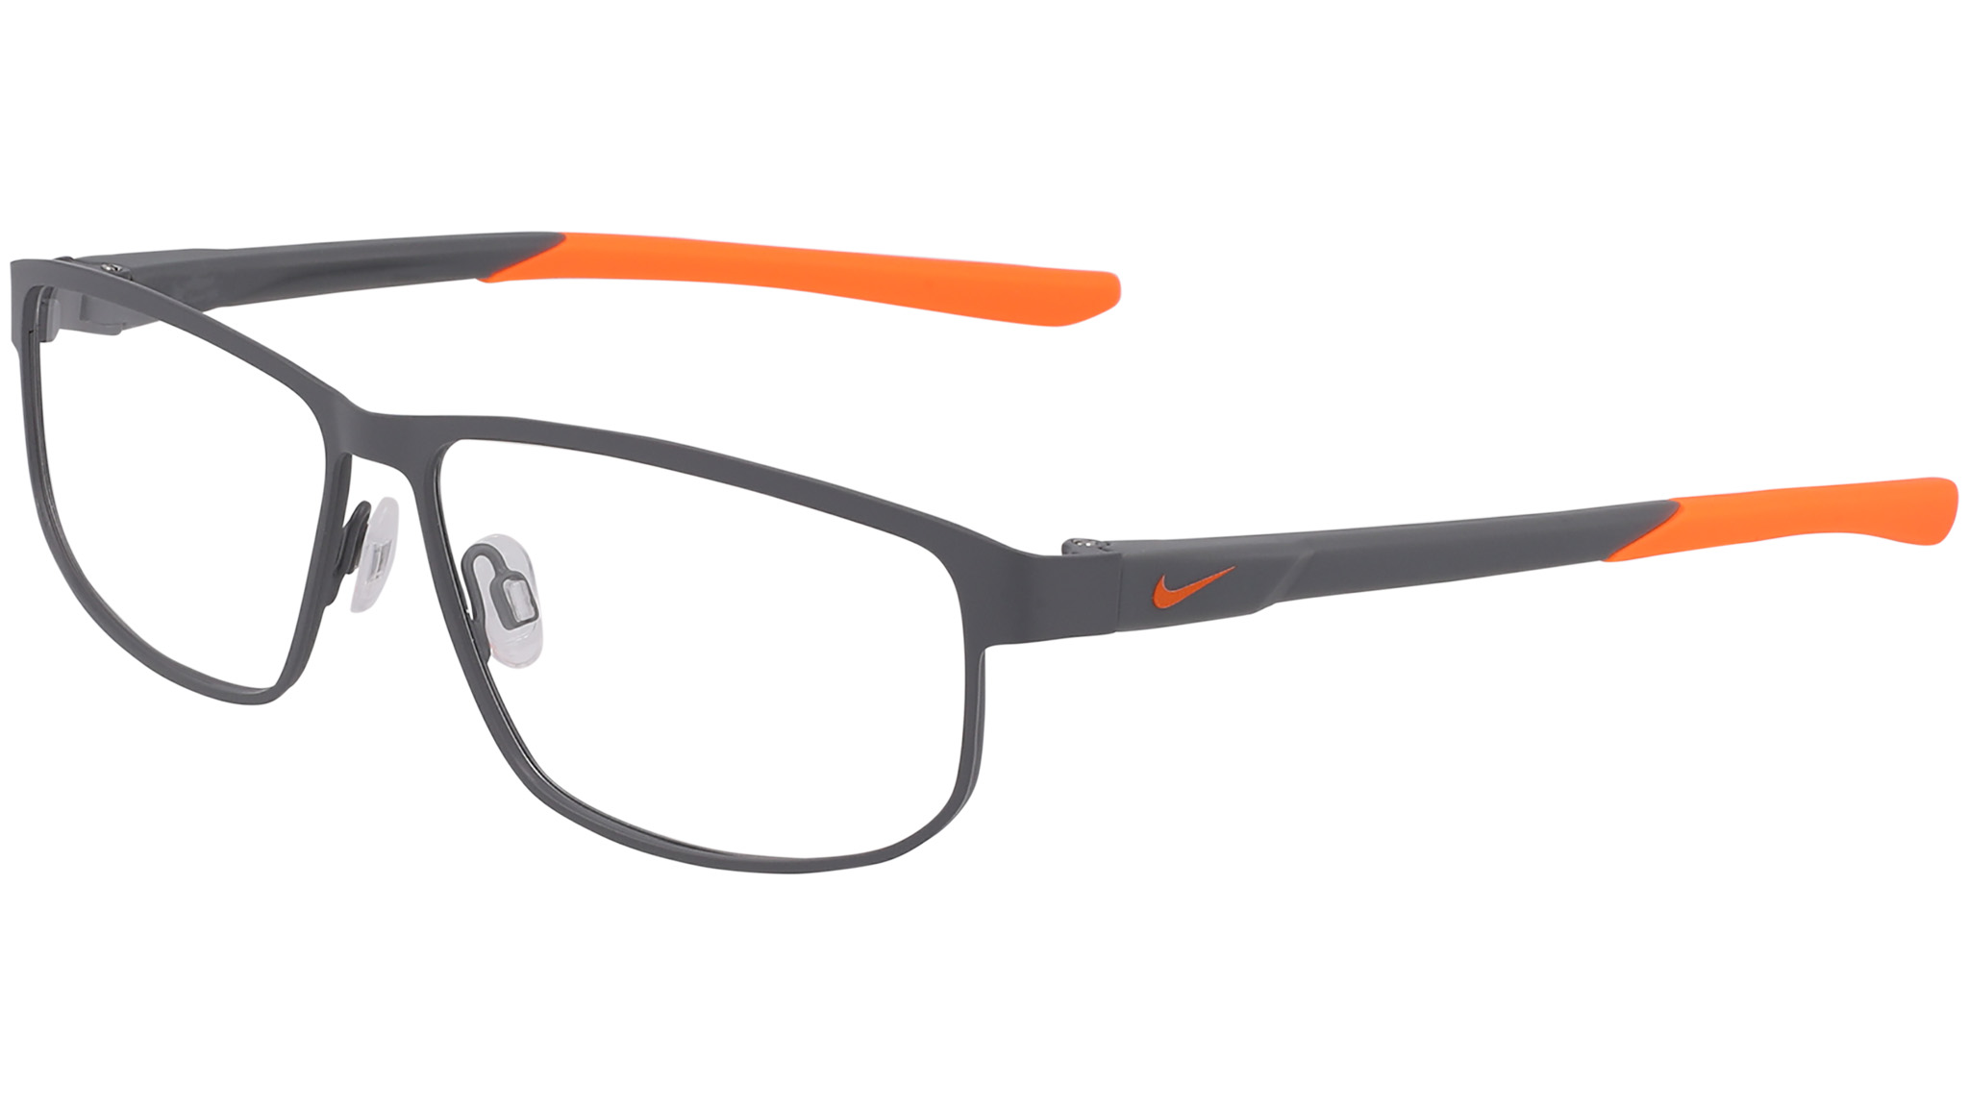
 | NIKE | NIKE - SEP 2024 |  | INSPIRED BY NIKE RABID 22 |  | NIKE_8157 | METAL | BIO INJ-G850 | NK8157 | PNRX-2404A | 001 | MATTE BLACK/SMOKE GREY | FULL RIM | MODIFIED RECTANGLE | true | M | Optical | GLOBAL | NK PERFORMANCE STATEMENT | CHINA ONLY | 56-12-145 | 4 | € 52.00 | € 140.40 | $69.00 | $186.30
 | NIKE | NIKE - SEP 2024 |  | INSPIRED BY NIKE RABID 22 |  | NIKE_8157 | METAL | BIO INJ-G850 | NK8157 | PNRX-2404A | 039 | MATTE SMOKE GREY/TOTAL ORANGE | FULL RIM | MODIFIED RECTANGLE | true | M | Optical | GLOBAL | NK PERFORMANCE STATEMENT | CHINA ONLY | 56-12-145 | 4 | € 52.00 | € 140.40 | $69.00 | $186.30
 | NIKE | NIKE - SEP 2024 |  | INSPIRED BY NIKE RABID 22 |  | NIKE_8157 | METAL | BIO INJ-G850 | NK8157 | PNRX-2404A | 070 | SATIN GUNMETAL/STADIUM GREEN | FULL RIM | MODIFIED RECTANGLE | true | M | Optical | GLOBAL | NK PERFORMANCE STATEMENT | CHINA ONLY | 56-12-145 | 4 | € 52.00 | € 140.40 | $69.00 | $186.30
 | NIKE | NIKE - SEP 2024 |  | INSPIRED BY NIKE RABID 22 | ad image | NIKE_8157 | METAL | BIO INJ-G850 | NK8157 | PNRX-2404A | 412 | MATTE ARMORY NAVY/ASHEN SLATE | FULL RIM | MODIFIED RECTANGLE | true | M | Optical | GLOBAL | NK PERFORMANCE STATEMENT | CHINA ONLY | 56-12-145 | 4 | € 52.00 | € 140.40 | $69.00 | $186.30
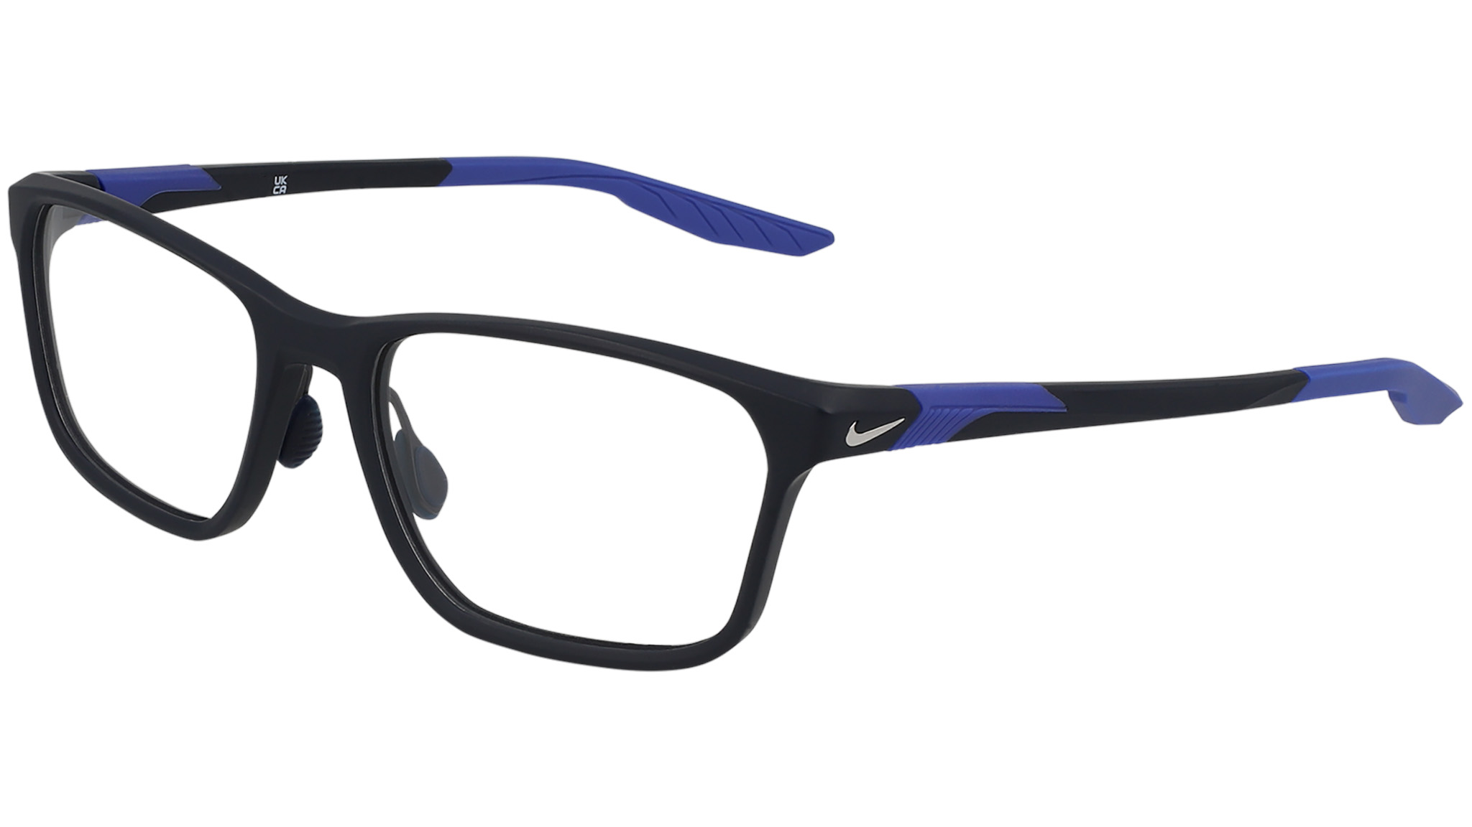
 | NIKE | NIKE - SEP 2024 |  |  |  | NIKE_7405 | BIO INJ-G850 | CO-INJECTION | NK7405 | PNRX-2405B | 001 | MATTE BLACK/SMOKE GREY | FULL RIM | MODIFIED RECTANGLE | true | M | Optical | GLOBAL | NK PERFORMANCE STATEMENT | CHINA ONLY | 56-18-145 | 4 | € 71.00 | € 191.70 | $97.50 | $263.25
 | NIKE | NIKE - SEP 2024 |  |  |  | NIKE_7405 | BIO INJ-G850 | CO-INJECTION | NK7405 | PNRX-2405B | 034 | MATTE SMOKE GREY | FULL RIM | MODIFIED RECTANGLE | true | M | Optical | GLOBAL | NK PERFORMANCE STATEMENT | CHINA ONLY | 56-18-145 | 4 | € 71.00 | € 191.70 | $97.50 | $263.25
 | NIKE | NIKE - SEP 2024 |  |  |  | NIKE_7405 | BIO INJ-G850 | CO-INJECTION | NK7405 | PNRX-2405B | 301 | MATTE VINTAGE GREEN | FULL RIM | MODIFIED RECTANGLE | true | M | Optical | GLOBAL | NK PERFORMANCE STATEMENT | CHINA ONLY | 56-18-145 | 4 | € 71.00 | € 191.70 | $97.50 | $263.25
 | NIKE | NIKE - SEP 2024 |  |  |  | NIKE_7405 | BIO INJ-G850 | CO-INJECTION | NK7405 | PNRX-2405B | 411 | MATTE OBSIDIAN | FULL RIM | MODIFIED RECTANGLE | true | M | Optical | GLOBAL | NK PERFORMANCE STATEMENT | CHINA ONLY | 56-18-145 | 4 | € 71.00 | € 191.70 | $97.50 | $263.25
 | NIKE | NIKE - SEP 2024 |  |  |  | NIKE_8214 | METAL | METAL | NK8214 | PNRX-2460B | 001 | MATTE BLACK | FULL RIM | SQUARE | true | F | Optical | GLOBAL | NK STREETWEAR STATEMENT | CHINA ONLY | 55-15-145 | 4 | € 78.00 | € 210.60 | $105.00 | $283.50
 | NIKE | NIKE - SEP 2024 |  |  |  | NIKE_8214 | METAL | METAL | NK8214 | PNRX-2460B | 320 | MATTE GREEN FROST | FULL RIM | SQUARE | true | F | Optical | GLOBAL | NK STREETWEAR STATEMENT | CHINA ONLY | 55-15-145 | 4 | € 78.00 | € 210.60 | $105.00 | $283.50
 | NIKE | NIKE - SEP 2024 |  |  |  | NIKE_8214 | METAL | METAL | NK8214 | PNRX-2460B | 671 | MATTE ASTER PINK | FULL RIM | SQUARE | true | F | Optical | GLOBAL | NK STREETWEAR STATEMENT | CHINA ONLY | 55-15-145 | 4 | € 78.00 | € 210.60 | $105.00 | $283.50
 | NIKE | NIKE - SEP 2024 |  |  | ad image | NIKE_8214 | METAL | METAL | NK8214 | PNRX-2460B | 780 | SHINY ROSE GOLD | FULL RIM | SQUARE | true | F | Optical | GLOBAL | NK STREETWEAR STATEMENT | CHINA ONLY | 55-15-145 | 4 | € 78.00 | € 210.60 | $105.00 | 267,30
 | NIKE | NIKE - SEP 2024 |  |  |  | NIKE_8215 | METAL | METAL | NK8215 | PNRX-2460C | 001 | MATTE BLACK | FULL RIM | NAVIGATOR | true | M | Optical | GLOBAL | NK STREETWEAR STATEMENT | CHINA ONLY | 56-13-145 | 4 | € 78.00 | € 210.60 | $105.00 | 267,30
 | NIKE | NIKE - SEP 2024 |  |  | ad image | NIKE_8215 | METAL | METAL | NK8215 | PNRX-2460C | 045 | SATIN SILVER | FULL RIM | NAVIGATOR | true | M | Optical | GLOBAL | NK STREETWEAR STATEMENT | CHINA ONLY | 56-13-145 | 4 | € 78.00 | € 210.60 | $105.00 | 267,30
 | NIKE | NIKE - SEP 2024 |  |  |  | NIKE_8215 | METAL | METAL | NK8215 | PNRX-2460C | 431 | MATTE ASTRONOMY BLUE | FULL RIM | NAVIGATOR | true | M | Optical | GLOBAL | NK STREETWEAR STATEMENT | CHINA ONLY | 56-13-145 | 4 | € 78.00 | € 210.60 | $105.00 | 267,30
 | NIKE | NIKE - SEP 2024 |  |  |  | NIKE_8215 | METAL | METAL | NK8215 | PNRX-2460C | 731 | MATTE CYBER | FULL RIM | NAVIGATOR | true | M | Optical | GLOBAL | NK STREETWEAR STATEMENT | CHINA ONLY | 56-13-145 | 4 | € 78.00 | € 210.60 | $105.00 | 267,30
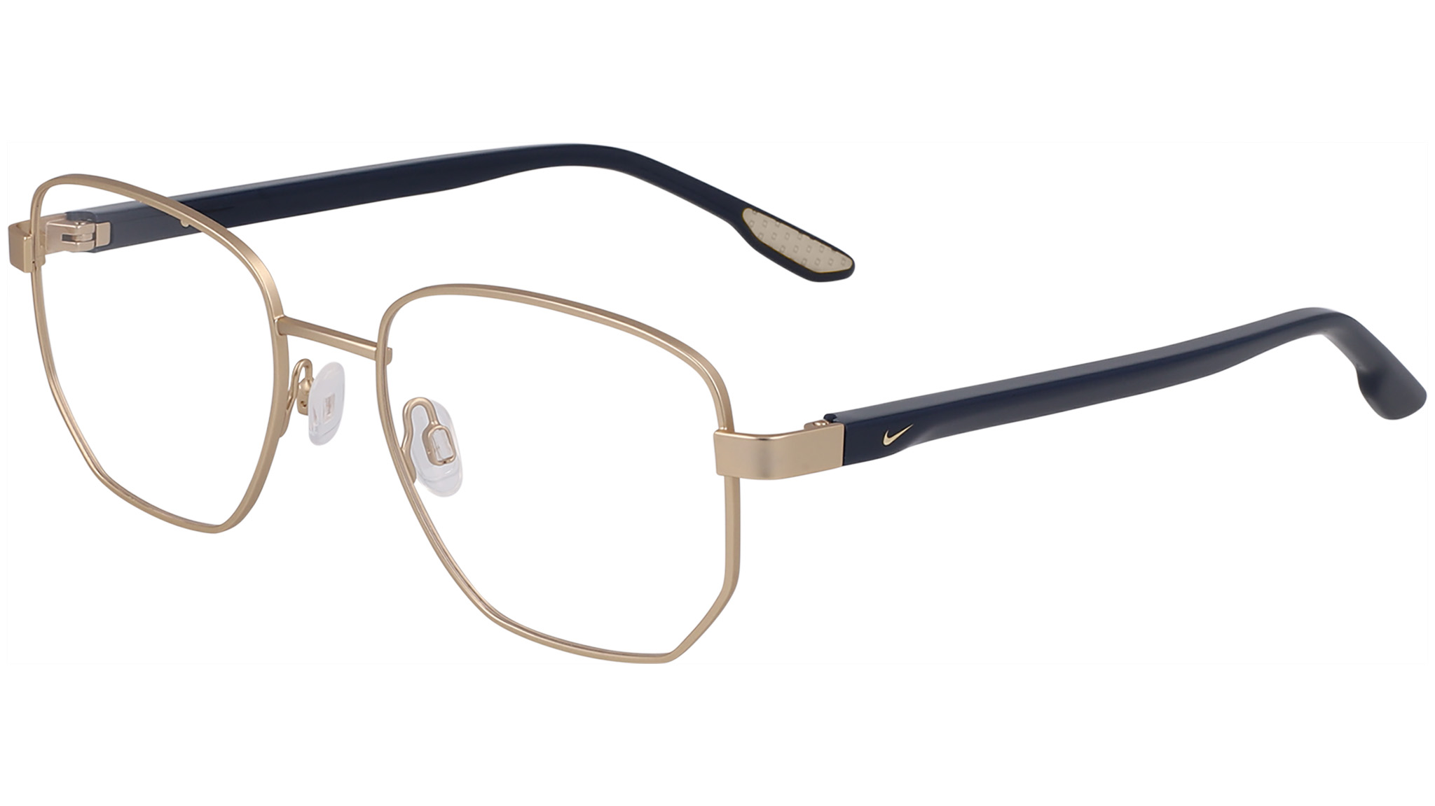
 | NIKE | NIKE - SEP 2024 |  | MOVE TO ZERO |  | NIKE_8400 | REC METAL-STAINLESS | REC ACETATE-RENEW | NK8400 | PNRX-2436D | 001 | MATTE BLACK | FULL RIM | ROUND | true | M | Optical | GLOBAL | NK LIFESTYLE STATEMENT | CHINA ONLY | 51-18-145 | 4 | € 73.00 | € 197.10 | $99.00 | 283,50
 | NIKE | NIKE - SEP 2024 |  | MOVE TO ZERO |  | NIKE_8400 | REC METAL-STAINLESS | REC ACETATE-RENEW | NK8400 | PNRX-2436D | 045 | SATIN SILVER/GREY | FULL RIM | ROUND | true | M | Optical | GLOBAL | NK LIFESTYLE STATEMENT | CHINA ONLY | 51-18-145 | 4 | € 73.00 | € 197.10 | $99.00 | 283,50
 | NIKE | NIKE - SEP 2024 |  | MOVE TO ZERO |  | NIKE_8400 | REC METAL-STAINLESS | REC ACETATE-RENEW | NK8400 | PNRX-2436D | 074 | SATIN GUNMETAL/ASHEN SLATE | FULL RIM | ROUND | true | M | Optical | GLOBAL | NK LIFESTYLE STATEMENT | CHINA ONLY | 51-18-145 | 4 | € 73.00 | € 197.10 | $99.00 | 283,50
 | NIKE | NIKE - SEP 2024 |  | MOVE TO ZERO |  | NIKE_8400 | REC METAL-STAINLESS | REC ACETATE-RENEW | NK8400 | PNRX-2436D | 717 | SATIN GOLD/ARMORY NAVY | FULL RIM | ROUND | true | M | Optical | GLOBAL | NK LIFESTYLE STATEMENT | CHINA ONLY | 51-18-145 | 4 | € 73.00 | € 197.10 | $99.00 | 283,50
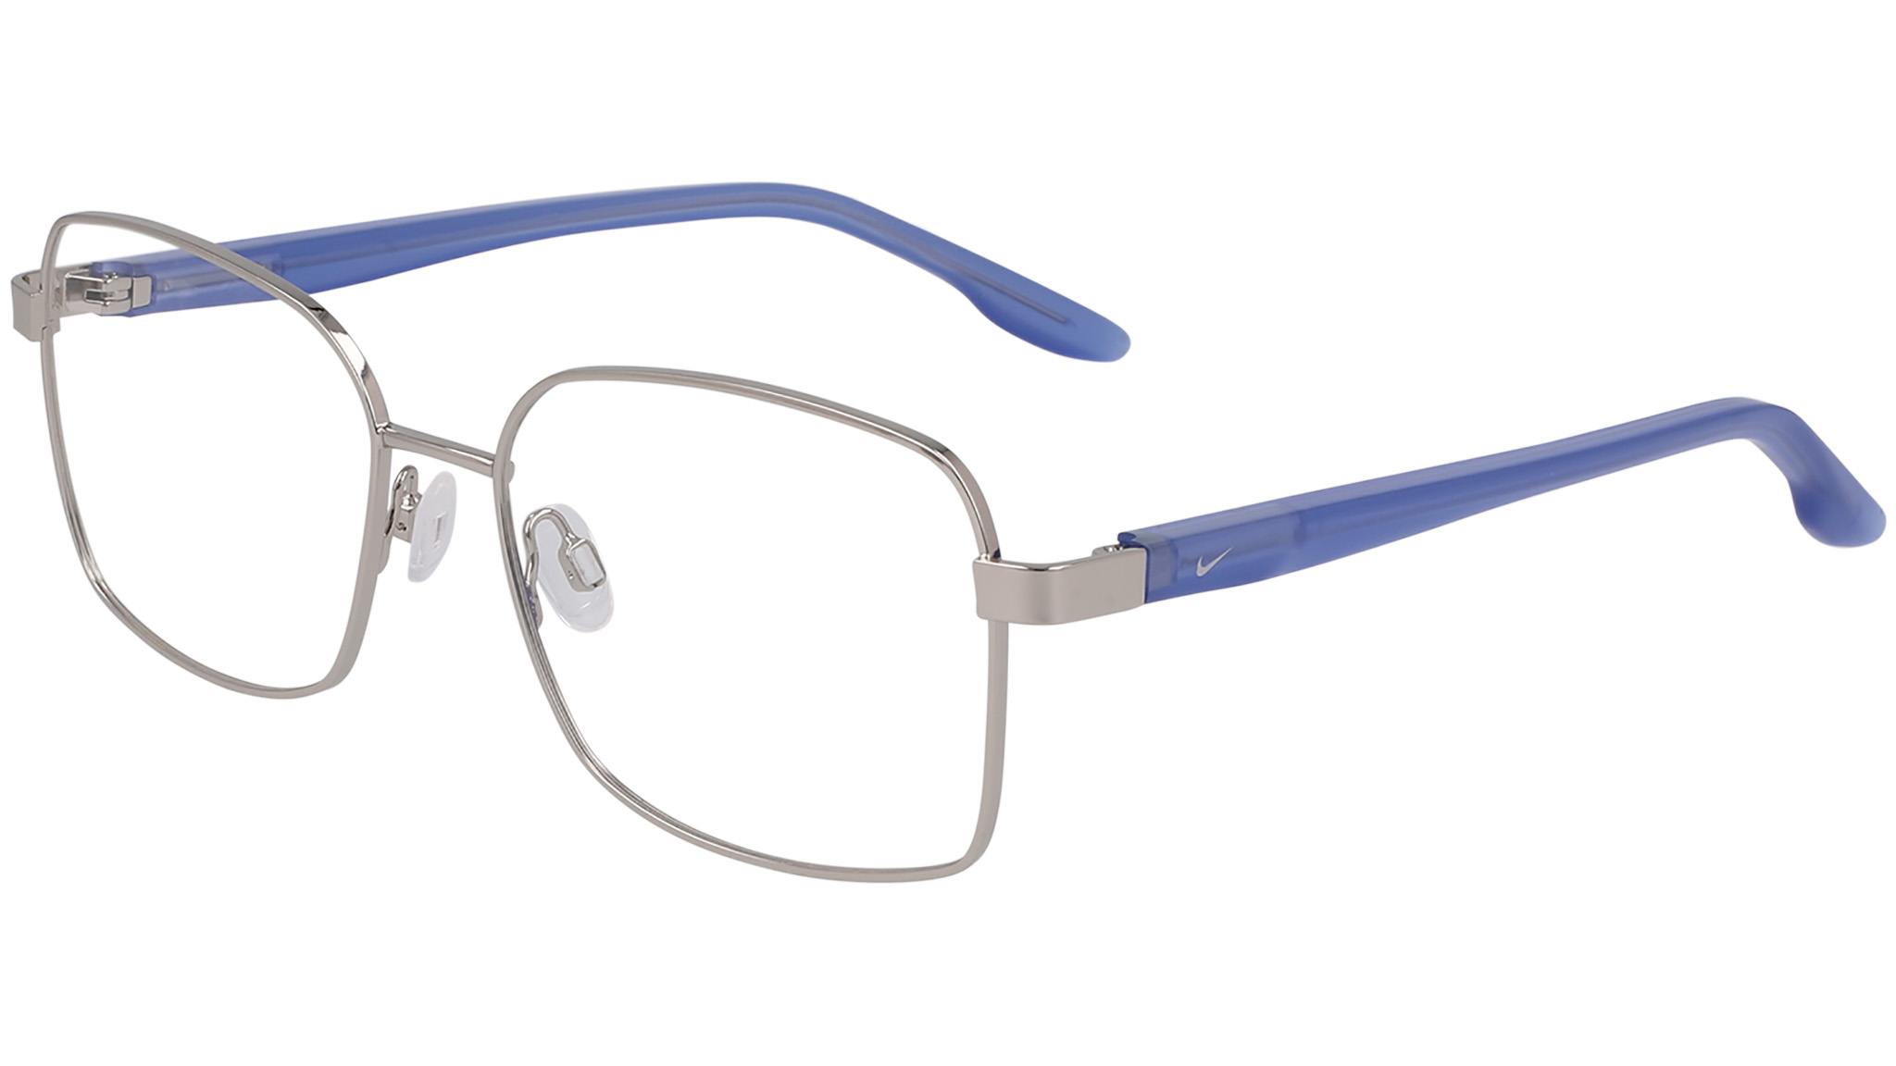
 | NIKE | NIKE - SEP 2024 |  | MOVE TO ZERO |  | NIKE_8401 | REC METAL-STAINLESS | REC ACETATE-RENEW | NK8401 | PNRX-2436F | 045 | SHINY SILVER/BLUE | FULL RIM | SQUARE | true | F | Optical | GLOBAL | NK LIFESTYLE STATEMENT | CHINA ONLY | 53-16-140 | 4 | € 73.00 | € 197.10 | $99.00 | 283,50
 | NIKE | NIKE - SEP 2024 |  | MOVE TO ZERO |  | NIKE_8401 | REC METAL-STAINLESS | REC ACETATE-RENEW | NK8401 | PNRX-2436F | 717 | SHINY GOLD/BLACK | FULL RIM | SQUARE | true | F | Optical | GLOBAL | NK LIFESTYLE STATEMENT | CHINA ONLY | 53-16-140 | 4 | € 73.00 | € 197.10 | $99.00 | 283,50
 | NIKE | NIKE - SEP 2024 |  | MOVE TO ZERO |  | NIKE_8401 | REC METAL-STAINLESS | REC ACETATE-RENEW | NK8401 | PNRX-2436F | 780 | SHINY ROSE GOLD/BERRY | FULL RIM | SQUARE | true | F | Optical | GLOBAL | NK LIFESTYLE STATEMENT | CHINA ONLY | 53-16-140 | 4 | € 73.00 | € 197.10 | $99.00 | 283,50
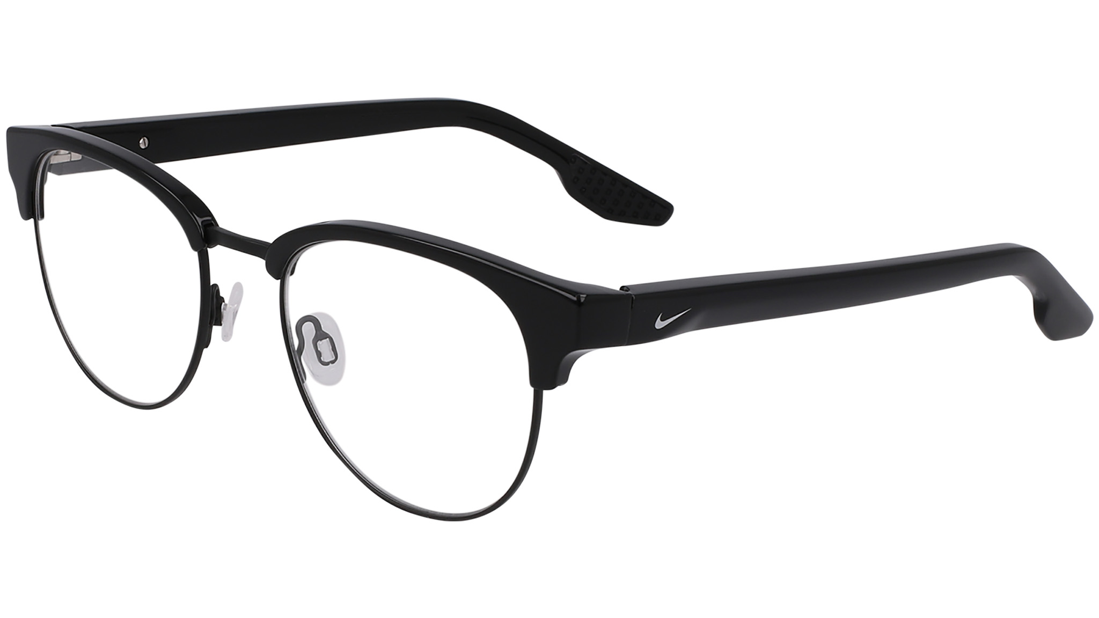
 | NIKE | NIKE - SEP 2024 |  | MOVE TO ZERO | ad image | NIKE_8402 | REC METAL-STAINLESS | REC ACETATE-RENEW | NK8402 | PNRX-2439C | 001 | BLACK | FULL RIM | ROUND | true | U | Optical | GLOBAL | NK LIFESTYLE STATEMENT | CHINA ONLY | 50-19-145 | 4 | € 73.00 | € 197.10 | $99.00 | 283,50
 | NIKE | NIKE - SEP 2024 |  | MOVE TO ZERO |  | NIKE_8402 | REC METAL-STAINLESS | REC ACETATE-RENEW | NK8402 | PNRX-2439C | 240 | SOFT TORTOISE/GUNMETAL | FULL RIM | ROUND | true | U | Optical | GLOBAL | NK LIFESTYLE STATEMENT | CHINA ONLY | 50-19-145 | 4 | € 73.00 | € 197.10 | $99.00 | 283,50
 | NIKE | NIKE - SEP 2024 |  | MOVE TO ZERO | ad image | NIKE_8402 | REC METAL-STAINLESS | REC ACETATE-RENEW | NK8402 | PNRX-2439C | 458 | ASHEN SLATE /GUNMETAL | FULL RIM | ROUND | true | U | Optical | GLOBAL | NK LIFESTYLE STATEMENT | CHINA ONLY | 50-19-145 | 4 | € 73.00 | € 197.10 | $99.00 | 283,50
 | NIKE | NIKE - SEP 2024 |  | MOVE TO ZERO |  | NIKE_8402 | REC METAL-STAINLESS | REC ACETATE-RENEW | NK8402 | PNRX-2439C | 605 | BURGUNDY/SILVER | FULL RIM | ROUND | true | U | Optical | GLOBAL | NK LIFESTYLE STATEMENT | CHINA ONLY | 50-19-145 | 4 | € 73.00 | € 197.10 | $99.00 | 283,50

Nike Sept 24 Sun
Image | Brand | ReleaseDate | ColorAdd | RecommendedReasons | NOTES | SUPERSTYLE | STYLE NUMBER | MaterialCode1 | MaterialCode2 | MaterialNumber | ColorCode | ColorDescription | FrameConstruction | FrameShape | RXAble | Gender | SunOptical | Fit | Family | MadeIn | Sizes | BaseCurve | EuroWholesalePrice | EuroRetailPrice | USWholesalePrice | USRetailPrice
 | NIKE | NIKE - SEP 2024 |  | SHAPE ADD |  | NIKE ACE DRIVER I | NIKE ACE DRIVER I EV24041 | TITANIUM | TITANIUM | NKEV24041 | 907 | SATIN GUNMETAL / GREEN | FULL RIM | AVIATOR | true | M | Sun | GLOBAL | NK LIFESTYLE ELITE | CHINA ONLY | 59-18-145 | 6 | € 79.50 | € 174.90 | $99.50 | $199.00
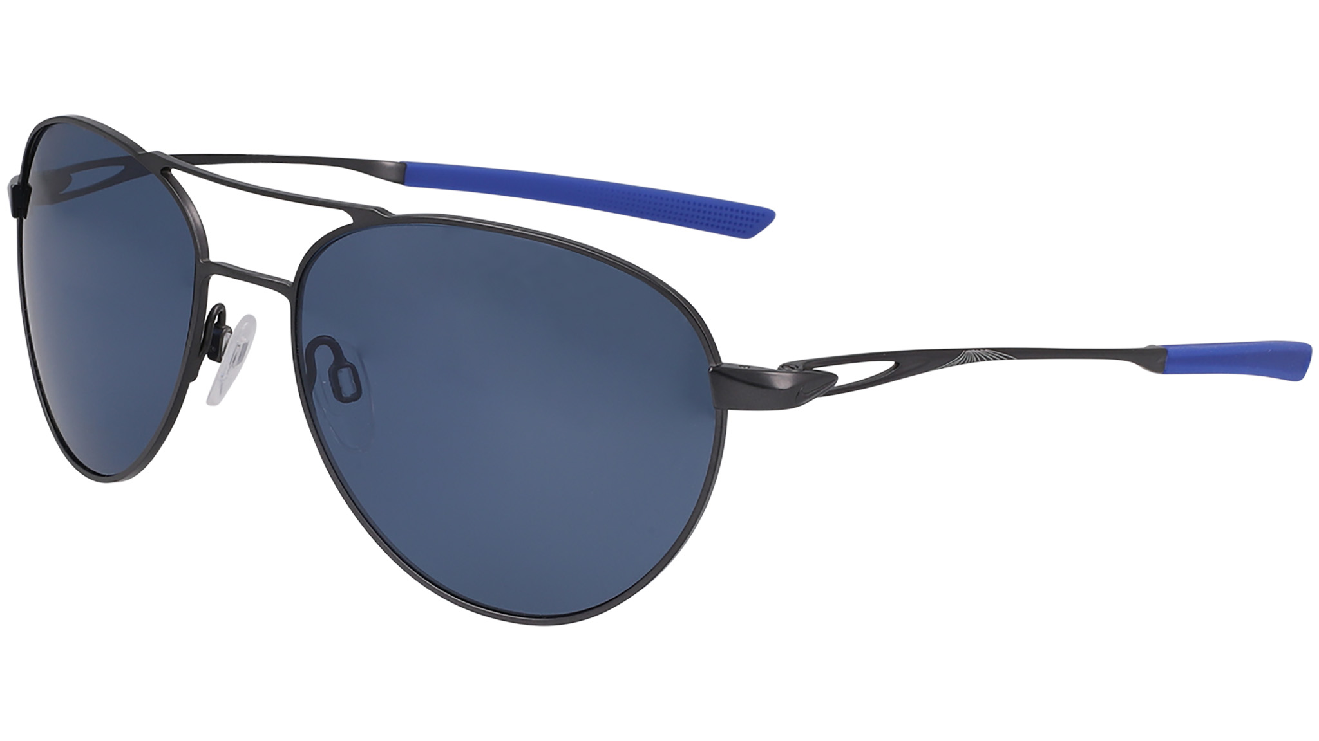 | NIKE | NIKE - SEP 2024 |  | SHAPE ADD |  | NIKE ACE DRIVER I | NIKE ACE DRIVER I EV24041 | TITANIUM | TITANIUM | NKEV24041 | 010 | MATTE BLACK/GREY | FULL RIM | AVIATOR | true | M | Sun | GLOBAL | NK LIFESTYLE ELITE | CHINA ONLY | 59-18-145 | 6 | € 79.50 | € 174.90 | $99.50 | $199.00
 | NIKE | NIKE - SEP 2024 |  | SHAPE ADD |  | NIKE ACE DRIVER I | NIKE ACE DRIVER I PL EV24043 | TITANIUM | TITANIUM | NKEV24043 | 993 | SATIN GUNMETAL / POLAR LITE BLUE | FULL RIM | AVIATOR | true | M | Sun | GLOBAL | NK LIFESTYLE ELITE | CHINA ONLY | 59-18-145 | 6 | € 87.00 | € 191.40 | $109.50 | $219.00
 | NIKE | NIKE - SEP 2024 |  | SHAPE ADD |  | NIKE ACE DRIVER I | NIKE ACE DRIVER I E EV24042 | NIKE ACE DRIVER I E EV24042 | TITANIUM | NKEV24042 | 902 | SATIN SILVER/COURSE TINT | FULL RIM | AVIATOR | true | M | Sun | GLOBAL | NK LIFESTYLE ELITE | CHINA ONLY | 59-18-145 | 6 | € 87.00 | € 191.40 | $104.50 | $209.00
 | NIKE | NIKE - SEP 2024 |  |  |  | NIKE CLOAK DUO | NIKE CLOAK DUO EV24036 | BIO INJ-G850 | BIO INJ-G850 | NKEV24036 | 410 | MATTE OBSIDIAN / BLUE MIRROR | SEMI-RIMLESS | MODIFIED RECTANGLE | true | M | Sun | GLOBAL | NK PERFORMANCE STATEMENT | CHINA ONLY | 71-09-130 | 8 | € 47.50 | € 104.50 | $59.50 | $119.00
 | NIKE | NIKE - SEP 2024 |  |  |  | NIKE CLOAK DUO | NIKE CLOAK DUO EV24036 | BIO INJ-G850 | BIO INJ-G850 | NKEV24036 | 010 | MATTE BLACK/GREY | SEMI-RIMLESS | MODIFIED RECTANGLE | true | M | Sun | GLOBAL | NK PERFORMANCE STATEMENT | CHINA ONLY | 71-09-130 | 8 | € 47.50 | € 104.50 | $59.50 | $119.00
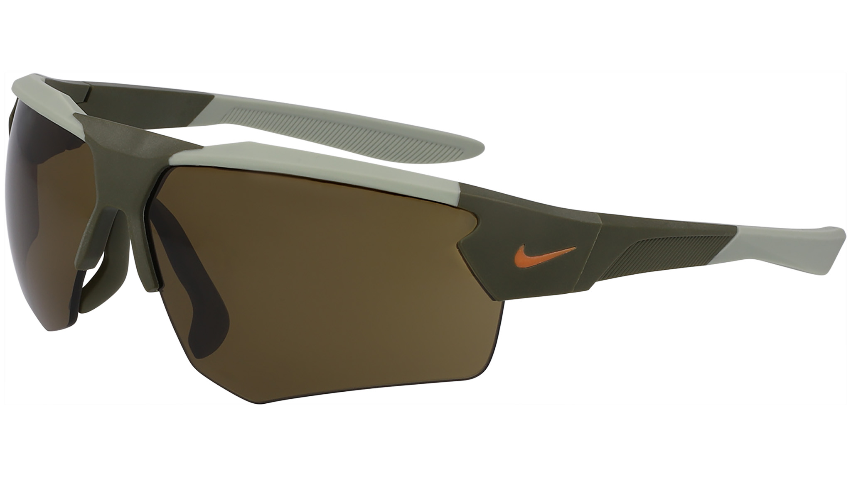 | NIKE | NIKE - SEP 2024 |  |  |  | NIKE CLOAK DUO | NIKE CLOAK DUO EV24036 | BIO INJ-G850 | BIO INJ-G850 | NKEV24036 | 907 | MATTE LIGHT SILVER / GREEN MIR | SEMI-RIMLESS | MODIFIED RECTANGLE | true | M | Sun | GLOBAL | NK PERFORMANCE STATEMENT | CHINA ONLY | 71-09-130 | 8 | € 47.50 | € 104.50 | $59.50 | $119.00
 | NIKE | NIKE - SEP 2024 |  |  |  | NIKE CLOAK DUO | NIKE CLOAK DUO E EV24037 | BIO INJ-G850 | BIO INJ-G850 | NKEV24037 | 012 | MATTE BLACK / FIELD TINT | SEMI-RIMLESS | MODIFIED RECTANGLE | true | M | Sun | GLOBAL | NK PERFORMANCE STATEMENT | CHINA ONLY | 71-09-130 | 8 | € 47.50 | € 104.50 | $64.50 | $129.00
 | NIKE | NIKE - SEP 2024 |  |  |  | NIKE CLOAK DUO | NIKE CLOAK DUO E EV24037 | BIO INJ-G850 | BIO INJ-G850 | NKEV24037 | 223 | MATTE MEDIUM OLIVE / TERRAIN | SEMI-RIMLESS | MODIFIED RECTANGLE | true | M | Sun | GLOBAL | NK PERFORMANCE STATEMENT | CHINA ONLY | 71-09-130 | 8 | € 59.50 | € 130.90 | $64.50 | $129.00
 | NIKE | NIKE - SEP 2024 |  |  |  | NIKE DIVOT | NIKE DIVOT EV24038 | BIO INJ-G850 | INJ-SILICONE | NKEV24038 | 010 | BLACK / GREY | SEMI-RIMLESS | ROUND | true | F | Sun | GLOBAL | NK LIFESTYLE STATEMENT | CHINA ONLY | 54-18-140 | 6 | € 65.50 | € 144.10 | $79.50 | $159.00
 | NIKE | NIKE - SEP 2024 |  |  |  | NIKE DIVOT | NIKE DIVOT EV24038 | BIO INJ-G850 | INJ-SILICONE | NKEV24038 | 012 | BLACK / INFRARED MIRROR | SEMI-RIMLESS | ROUND | true | F | Sun | GLOBAL | NK LIFESTYLE STATEMENT | CHINA ONLY | 54-18-140 | 6 | € 65.50 | € 144.10 | $79.50 | $159.00
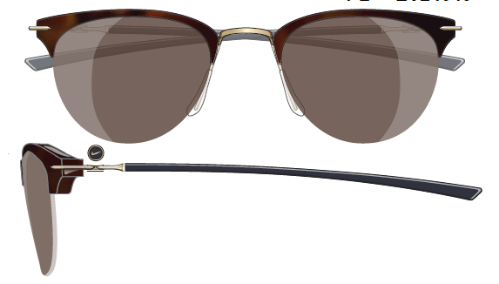 | NIKE | NIKE - SEP 2024 |  |  |  | NIKE DIVOT | NIKE DIVOT E EV24039 | BIO INJ-G850 | INJ-SILICONE | NKEV24039 | 101 | SUMMIT WHITE / COURSE TINT | SEMI-RIMLESS | ROUND | true | F | Sun | GLOBAL | NK LIFESTYLE STATEMENT | CHINA ONLY | 54-18-140 | 6 | € 67.00 | € 147.40 | $84.50 | $169.00
 | NIKE | NIKE - SEP 2024 |  |  |  | NIKE DIVOT | NIKE DIVOT PL EV24040 | BIO INJ-G850 | INJ-SILICONE | NKEV24040 | 240 | TORTOISE / POLAR LITE BROWN | SEMI-RIMLESS | ROUND | true | F | Sun | GLOBAL | NK LIFESTYLE STATEMENT | CHINA ONLY | 54-18-140 | 6 | € 71.00 | € 156.20 | $89.50 | $179.00
 | NIKE | NIKE - SEP 2024 |  | MOVE TO ZERO |  | NIKE ECLIPSE DAWN | NIKE ECLIPSE DAWN EV24046 | REC ACETATE-RENEW | REC ACETATE-RENEW | NKEV24046 | 010 | BLACK / GREY | FULL RIM | ROUND | true | U | Sun | GLOBAL | NK LIFESTYLE STATEMENT | CHINA ONLY | 49-19-145 | 6 | € 59.50 | € 130.90 | $74.50 | $149.00
 | NIKE | NIKE - SEP 2024 |  | MOVE TO ZERO |  | NIKE ECLIPSE DAWN | NIKE ECLIPSE DAWN EV24046 | REC ACETATE-RENEW | REC ACETATE-RENEW | NKEV24046 | 243 | TORTOISE / GREEN | FULL RIM | ROUND | true | U | Sun | GLOBAL | NK LIFESTYLE STATEMENT | CHINA ONLY | 49-19-145 | 6 | € 59.50 | € 130.90 | $74.50 | $149.00
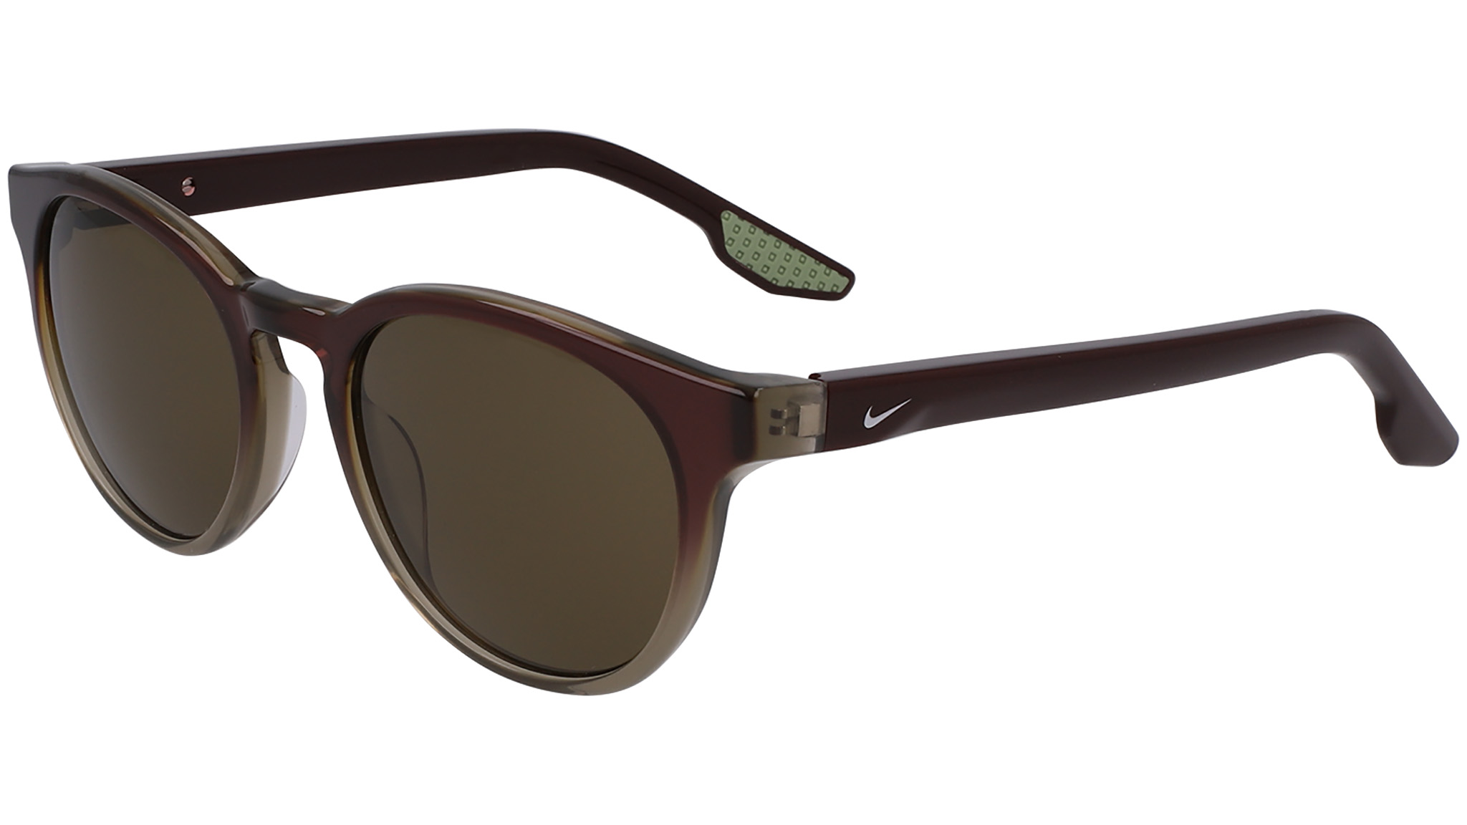 | NIKE | NIKE - SEP 2024 |  | MOVE TO ZERO |  | NIKE ECLIPSE DAWN | NIKE ECLIPSE DAWN EV24046 | REC ACETATE-RENEW | REC ACETATE-RENEW | NKEV24046 | 602 | DARK PONY GRADIENT / GREEN | FULL RIM | ROUND | true | U | Sun | GLOBAL | NK LIFESTYLE STATEMENT | CHINA ONLY | 49-19-145 | 6 | € 59.50 | € 130.90 | $74.50 | $149.00
 | NIKE | NIKE - SEP 2024 |  | MOVE TO ZERO | ad image | NIKE ECLIPSE DAWN | NIKE ECLIPSE DAWN EV24046 | REC ACETATE-RENEW | REC ACETATE-RENEW | NKEV24046 | 725 | AMBER GRADIENT / BLUE | FULL RIM | ROUND | true | U | Sun | GLOBAL | NK LIFESTYLE STATEMENT | CHINA ONLY | 49-19-145 | 6 | € 59.50 | € 130.90 | $74.50 | $149.00
 | NIKE | NIKE - SEP 2024 |  | MOVE TO ZERO |  | NIKE ECLIPSE RISE | NIKE ECLIPSE RISE EV24045 | REC ACETATE-RENEW | REC ACETATE-RENEW | NKEV24045 | 010 | BLACK / GREY | FULL RIM | RECTANGLE | true | M | Sun | GLOBAL | NK LIFESTYLE STATEMENT | CHINA ONLY | 55-19-145 | 6 | € 59.50 | € 130.90 | $74.50 | $149.00
 | NIKE | NIKE - SEP 2024 |  | MOVE TO ZERO |  | NIKE ECLIPSE RISE | NIKE ECLIPSE RISE EV24045 | REC ACETATE-RENEW | REC ACETATE-RENEW | NKEV24045 | 242 | TORTOISE / GREY | FULL RIM | RECTANGLE | true | M | Sun | GLOBAL | NK LIFESTYLE STATEMENT | CHINA ONLY | 55-19-145 | 6 | € 59.50 | € 130.90 | $74.50 | $149.00
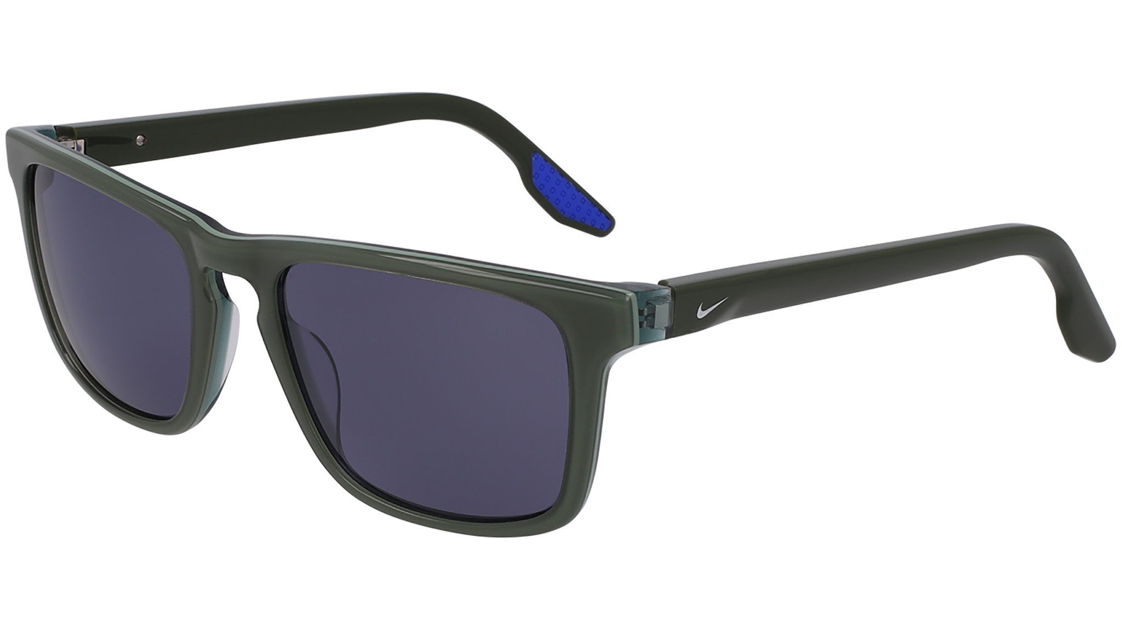 | NIKE | NIKE - SEP 2024 |  | MOVE TO ZERO | ad image | NIKE ECLIPSE RISE | NIKE ECLIPSE RISE EV24045 | REC ACETATE-RENEW | REC ACETATE-RENEW | NKEV24045 | 318 | BICOASTAL / BLUE | FULL RIM | RECTANGLE | true | M | Sun | GLOBAL | NK LIFESTYLE STATEMENT | CHINA ONLY | 55-19-145 | 6 | € 59.50 | € 130.90 | $74.50 | $149.00
 | NIKE | NIKE - SEP 2024 |  | MOVE TO ZERO |  | NIKE ECLIPSE RISE | NIKE ECLIPSE RISE EV24045 | REC ACETATE-RENEW | REC ACETATE-RENEW | NKEV24045 | 900 | ASHEN SLATE / SMOKE | FULL RIM | RECTANGLE | true | M | Sun | GLOBAL | NK LIFESTYLE STATEMENT | CHINA ONLY | 55-19-145 | 6 | € 59.50 | € 130.90 | $74.50 | $149.00
 | NIKE | NIKE - SEP 2024 |  | MOVE TO ZERO | ad image | NIKE ECLIPSE SHADOW | NIKE ECLIPSE SHADOW EV24047 | REC ACETATE-RENEW | REC ACETATE-RENEW | NKEV24047 | 010 | BLACK GRADIENT / GREY | FULL RIM | SQUARE | true | F | Sun | GLOBAL | NK LIFESTYLE STATEMENT | CHINA ONLY | 53-17-140 | 6 | € 59.50 | € 130.90 | $74.50 | $149.00
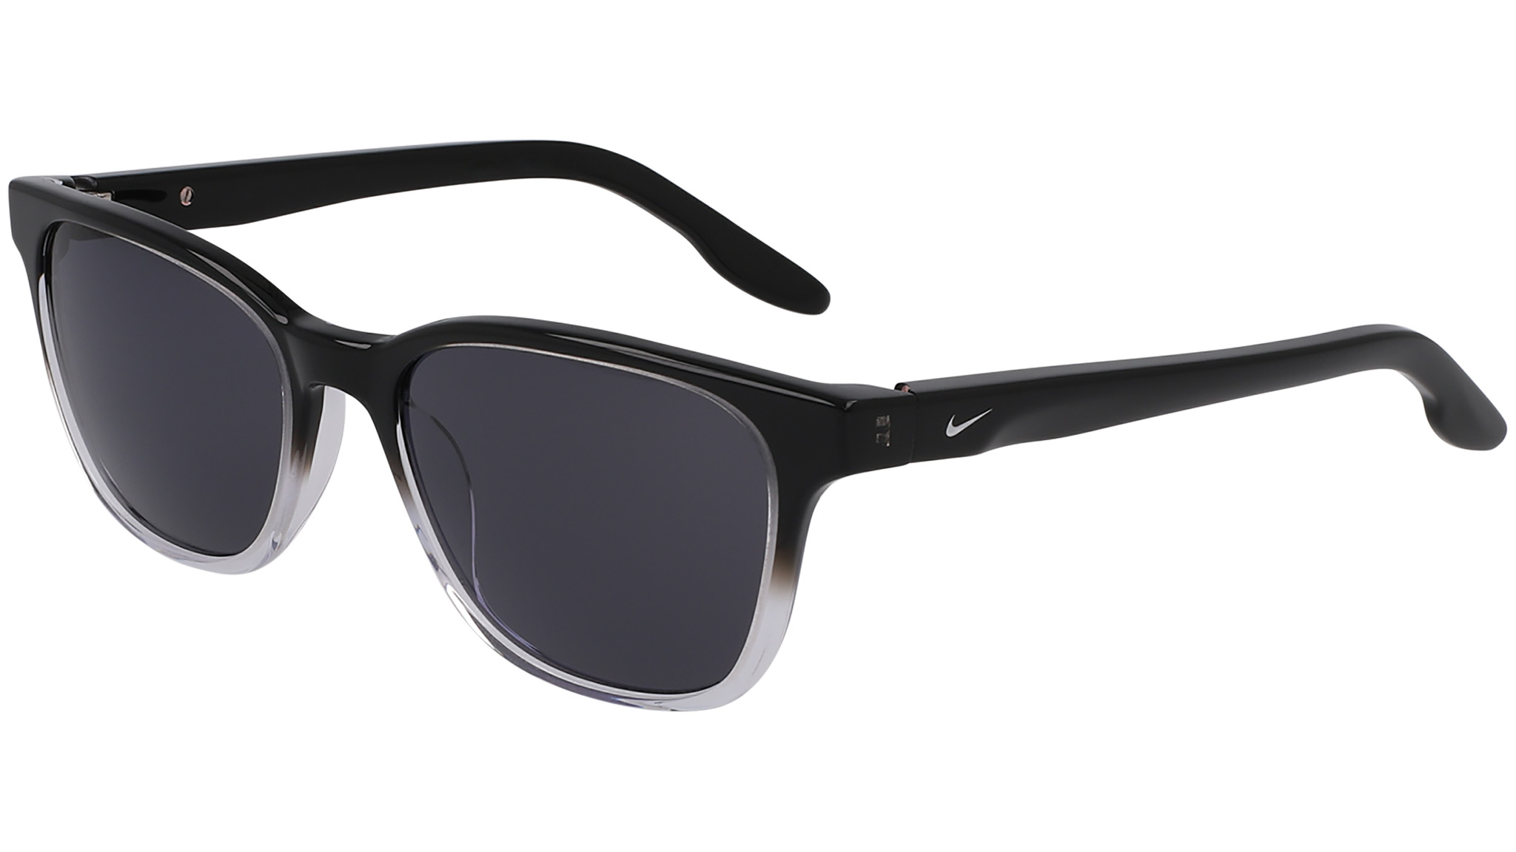 | NIKE | NIKE - SEP 2024 |  | MOVE TO ZERO | ad image | NIKE ECLIPSE SHADOW | NIKE ECLIPSE SHADOW EV24047 | REC ACETATE-RENEW | REC ACETATE-RENEW | NKEV24047 | 066 | GREY GRADIENT / GREY | FULL RIM | SQUARE | true | F | Sun | GLOBAL | NK LIFESTYLE STATEMENT | CHINA ONLY | 53-17-140 | 6 | € 59.50 | € 130.90 | $74.50 | $149.00
 | NIKE | NIKE - SEP 2024 |  | MOVE TO ZERO |  | NIKE ECLIPSE SHADOW | NIKE ECLIPSE SHADOW EV24047 | REC ACETATE-RENEW | REC ACETATE-RENEW | NKEV24047 | 410 | BLUE GRADIENT / BLUE | FULL RIM | SQUARE | true | F | Sun | GLOBAL | NK LIFESTYLE STATEMENT | CHINA ONLY | 53-17-140 | 6 | € 59.50 | € 130.90 | $74.50 | $149.00
 | NIKE | NIKE - SEP 2024 |  | MOVE TO ZERO |  | NIKE ECLIPSE SHADOW | NIKE ECLIPSE SHADOW EV24047 | REC ACETATE-RENEW | REC ACETATE-RENEW | NKEV24047 | 601 | DARK RUSSET GRADIENT / LILAC | FULL RIM | SQUARE | true | F | Sun | GLOBAL | NK LIFESTYLE STATEMENT | CHINA ONLY | 53-17-140 | 6 | € 59.50 | € 130.90 | $74.50 | $149.00
 | NIKE | NIKE - SEP 2024 |  |  |  | NIKE FLYFREE SHIELD | NIKE FLYFREE SHIELD EV24033 | BIO INJ-G850 | BIO INJ-G850 | NKEV24033 | 907 | MAT LT SILVER / GREEN MIROR/ LOW LIGHT VOLT | SEMI-RIMLESS | SHIELD | false | M | Sun | GLOBAL | NK PERFORMANCE ELITE | CHINA ONLY | 72-05-130 | 6 SHIELD | € 95.50 | € 210.10 | $119.50 | $239.00
 | NIKE | NIKE - SEP 2024 |  |  |  | NIKE FLYFREE SHIELD | NIKE FLYFREE SHIELD EV24033 | BIO INJ-G850 | BIO INJ-G850 | NKEV24033 | 010 | MATTE BLACK/GREY/LOW LIGHT ORANGE | SEMI-RIMLESS | SHIELD | false | M | Sun | GLOBAL | NK PERFORMANCE ELITE | CHINA ONLY | 72-05-130 | 6 SHIELD | € 95.50 | € 210.10 | $119.50 | $239.00
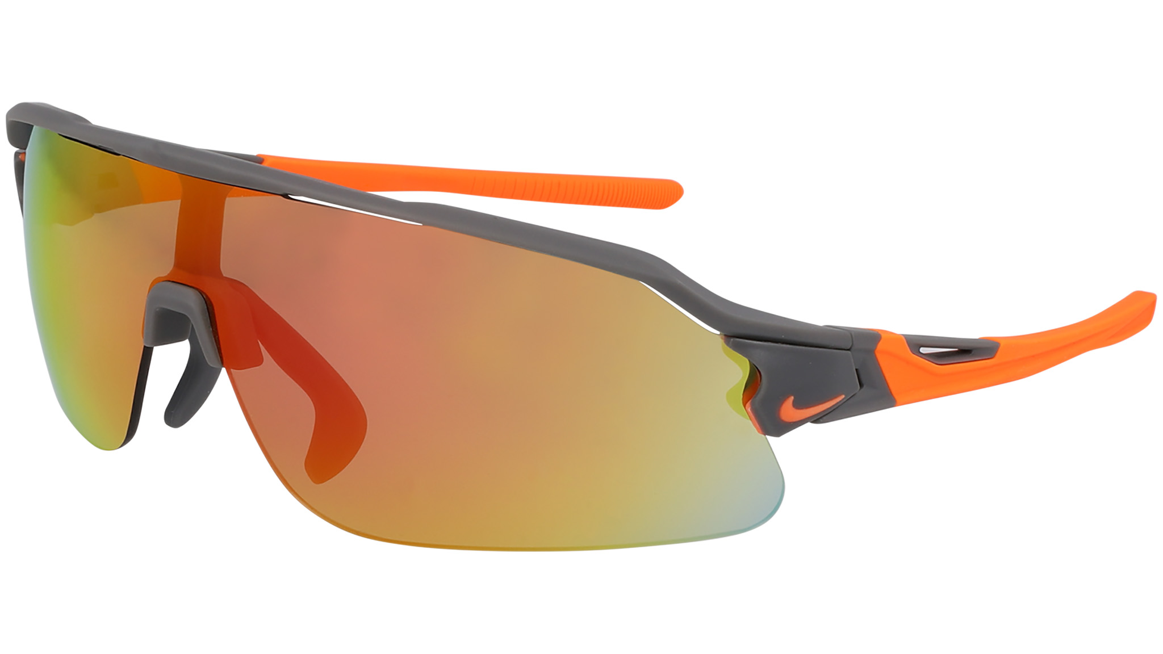 | NIKE | NIKE - SEP 2024 |  |  |  | NIKE FLYFREE SHIELD | NIKE FLYFREE SHIELD E EV24034 | BIO INJ-G850 | BIO INJ-G850 | NKEV24034 | 065 | MAT SMOKE GREY/ROAD ORANGE MIR/ CLEAR | SEMI-RIMLESS | SHIELD | false | M | Sun | GLOBAL | NK PERFORMANCE ELITE | CHINA ONLY | 72-05-130 | 6 SHIELD | € 95.50 | € 210.10 | $119.50 | $239.00
 | NIKE | NIKE - SEP 2024 |  |  |  | NIKE FLYFREE SHIELD | NIKE FLYFREE SHIELD E EV24034 | BIO INJ-G850 | BIO INJ-G850 | NKEV24034 | 902 | MAT CLEAR / FIELD TINT / ORANGE | SEMI-RIMLESS | SHIELD | false | M | Sun | GLOBAL | NK PERFORMANCE ELITE | CHINA ONLY | 72-05-130 | 6 SHIELD | € 95.50 | € 210.10 | $119.50 | $239.00
 | NIKE | NIKE - SEP 2024 |  |  |  | NIKE FLYFREE SHIELD | NIKE FLYFREE SHIELD P EV24035 | BIO INJ-G850 | BIO INJ-G850 | NKEV24035 | 410 | MATTE OBSIDIAN/POLAR BLUE MIRROR/ROAD TINT | SEMI-RIMLESS | SHIELD | false | M | Sun | GLOBAL | NK PERFORMANCE ELITE | CHINA ONLY | 72-05-130 | 6 SHIELD | € 103.00 | € 226.60 | $129.50 | $259.00
 | NIKE | NIKE - SEP 2024 |  | LIVE FREE SHAPE ADD |  | NIKE LIVEFREE TEMPO | NIKE LIVEFREETEMPO EV24044 | BIO INJ-G850 | CO-INJECTION | NKEV24044 | 010 | BLACK / GREY | FULL RIM | RECTANGLE | true | M | Sun | GLOBAL | NK LIFESTYLE ESSENTIALS | CHINA ONLY | 56-15-140 | 6 | € 39.50 | € 86.90 | $49.50 | $99.00
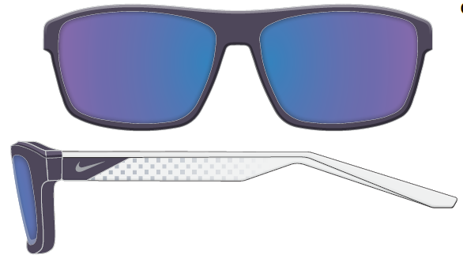 | NIKE | NIKE - SEP 2024 |  | LIVE FREE SHAPE ADD |  | NIKE LIVEFREE TEMPO | NIKE LIVEFREETEMPO EV24044 | BIO INJ-G850 | CO-INJECTION | NKEV24044 | 011 | MATTE BLACK / CHROME MIRROR | FULL RIM | RECTANGLE | true | M | Sun | GLOBAL | NK LIFESTYLE ESSENTIALS | CHINA ONLY | 56-15-140 | 6 | € 39.50 | € 86.90 | $49.50 | $99.00
 | NIKE | NIKE - SEP 2024 |  | LIVE FREE SHAPE ADD |  | NIKE LIVEFREE TEMPO | NIKE LIVEFREETEMPO EV24044 | BIO INJ-G850 | CO-INJECTION | NKEV24044 | 414 | ARMORY NAVY / BLUE | FULL RIM | RECTANGLE | true | M | Sun | GLOBAL | NK LIFESTYLE ESSENTIALS | CHINA ONLY | 56-15-140 | 6 | € 39.50 | € 86.90 | $49.50 | $99.00
 | NIKE | NIKE - SEP 2024 |  | LIVE FREE SHAPE ADD |  | NIKE LIVEFREE TEMPO | NIKE LIVEFREETEMPO EV24044 | BIO INJ-G850 | CO-INJECTION | NKEV24044 | 553 | DARK RAISIN / PURPLE MIRROR | FULL RIM | RECTANGLE | true | M | Sun | GLOBAL | NK LIFESTYLE ESSENTIALS | CHINA ONLY | 56-15-140 | 6 | € 39.50 | € 86.90 | $49.50 | $99.00
 | NIKE | NIKE - SEP 2024 |  | RETAIL ONLY EMEA RATED 1/USO REATED 1 |  | NIKE LUCENT BOOST | NIKE LUCENT BOOST EV24051 | REC INJ-TRITAN RENEW | REC INJ-TRITAN RENEW | NKEV24051 | 010 | MATTE BLACK / GREY | FULL RIM | MODIFIED RECTANGLE | true | M | Sun | GLOBAL | NK STREETWEAR ESSENTIALS | CHINA ONLY | 53-18-140 | 4 | € 43.50 | € 95.70 | $54.50 | $109.00
 | NIKE | NIKE - SEP 2024 |  | RETAIL ONLY EMEA RATED 1/USO REATED 1 |  | NIKE LUCENT BOOST | NIKE LUCENT BOOST EV24051 | REC INJ-TRITAN RENEW | REC INJ-TRITAN RENEW | NKEV24051 | 601 | MAGENTA MIRROR | FULL RIM | MODIFIED RECTANGLE | true | M | Sun | GLOBAL | NK STREETWEAR ESSENTIALS | CHINA ONLY | 53-18-140 | 4 | € 43.50 | € 95.70 | $54.50 | $109.00
 | NIKE | NIKE - SEP 2024 |  | RETAIL ONLY EMEA RATED 1/USO REATED 1 |  | NIKE LUCENT BOOST | NIKE LUCENT BOOST EV24051 | REC INJ-TRITAN RENEW | REC INJ-TRITAN RENEW | NKEV24051 | 650 | MATTE ASTER PINK / GREEN | FULL RIM | MODIFIED RECTANGLE | true | M | Sun | GLOBAL | NK STREETWEAR ESSENTIALS | CHINA ONLY | 53-18-140 | 4 | € 43.50 | € 95.70 | $54.50 | $109.00
 | NIKE | NIKE - SEP 2024 |  | RETAIL ONLY EMEA RATED 1/USO REATED 1 |  | NIKE LUCENT BOOST | NIKE LUCENT BOOST EV24051 | REC INJ-TRITAN RENEW | REC INJ-TRITAN RENEW | NKEV24051 | 900 | SILVER MIRROR | FULL RIM | MODIFIED RECTANGLE | true | M | Sun | GLOBAL | NK STREETWEAR ESSENTIALS | CHINA ONLY | 53-18-140 | 4 | € 43.50 | € 95.70 | $54.50 | $109.00
 | NIKE | NIKE - SEP 2024 |  | RETAIL ONLY EMEA RATED 1.5/USO REATED 1 |  | NIKE LUCENT FLASH | NIKE LUCENT FLASH EV24050 | REC INJ-TRITAN RENEW | REC INJ-TRITAN RENEW | NKEV24050 | 010 | MATTE BLACK / GREY | FULL RIM | MODIFIED RECTANGLE | true | M | Sun | GLOBAL | NK STREETWEAR ESSENTIALS | CHINA ONLY | 56-19-135 | 6 | € 43.50 | € 95.70 | $54.50 | $109.00
 | NIKE | NIKE - SEP 2024 |  | RETAIL ONLY EMEA RATED 1.5/USO REATED 1 |  | NIKE LUCENT FLASH | NIKE LUCENT FLASH EV24050 | REC INJ-TRITAN RENEW | REC INJ-TRITAN RENEW | NKEV24050 | 703 | MATTE CYBER / GREY | FULL RIM | MODIFIED RECTANGLE | true | M | Sun | GLOBAL | NK STREETWEAR ESSENTIALS | CHINA ONLY | 56-19-135 | 6 | € 43.50 | € 95.70 | $54.50 | $109.00
 | NIKE | NIKE - SEP 2024 |  | RETAIL ONLY EMEA RATED 1.5/USO REATED 1 |  | NIKE LUCENT FLASH | NIKE LUCENT FLASH EV24050 | REC INJ-TRITAN RENEW | REC INJ-TRITAN RENEW | NKEV24050 | 891 | TOTAL ORANGE MIRROR | FULL RIM | MODIFIED RECTANGLE | true | M | Sun | GLOBAL | NK STREETWEAR ESSENTIALS | CHINA ONLY | 56-19-135 | 6 | € 43.50 | € 95.70 | $54.50 | $109.00
 | NIKE | NIKE - SEP 2024 |  | RETAIL ONLY EMEA RATED 1.5/USO REATED 1 |  | NIKE LUCENT FLASH | NIKE LUCENT FLASH EV24050 | REC INJ-TRITAN RENEW | REC INJ-TRITAN RENEW | NKEV24050 | 900 | SILVER MIRROR | FULL RIM | MODIFIED RECTANGLE | true | M | Sun | GLOBAL | NK STREETWEAR ESSENTIALS | CHINA ONLY | 56-19-135 | 6 | € 43.50 | € 95.70 | $54.50 | $109.00
 | NIKE | NIKE - SEP 2024 |  | RETAIL ONLY EMEA RATED 1.5/USO RATED 1 |  | NIKE VEIL | NIKE VEIL EV24048 | METAL | METAL | NKEV24048 | 041 | SILVER / BLUE / YELLOW | FULL RIM | MODIFIED RECTANGLE | false | U | Sun | GLOBAL | NK STREETWEAR STATEMENT | CHINA ONLY | 63-13-135 | 6 | € 65.50 | € 144.10 | $84.50 | $169.00
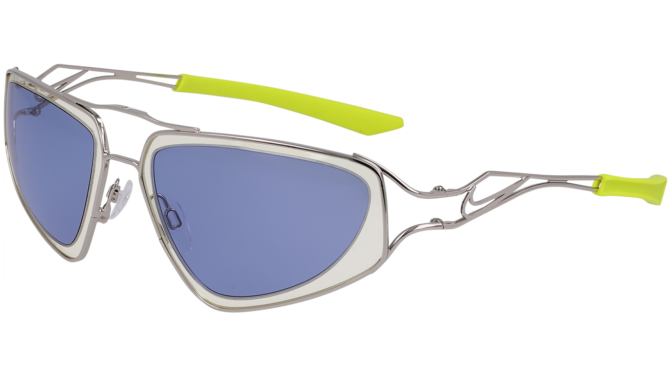 | NIKE | NIKE - SEP 2024 |  | RETAIL ONLY EMEA RATED 1.5/USO RATED 1 |  | NIKE VEIL | NIKE VEIL EV24048 | METAL | METAL | NKEV24048 | 043 | SILVER/GREEN MIR/INFRARED MIR | FULL RIM | MODIFIED RECTANGLE | false | U | Sun | GLOBAL | NK STREETWEAR STATEMENT | CHINA ONLY | 63-13-135 | 6 | € 65.50 | € 144.10 | $84.50 | $169.00
 | NIKE | NIKE - SEP 2024 |  | RETAIL ONLY EMEA RATED 1.5/USO RATED 1 |  | NIKE VEIL | NIKE VEIL EV24048 | METAL | METAL | NKEV24048 | 044 | SILVER / GREEN / PINK | FULL RIM | MODIFIED RECTANGLE | false | U | Sun | GLOBAL | NK STREETWEAR STATEMENT | CHINA ONLY | 63-13-135 | 6 | € 65.50 | € 144.10 | $84.50 | $169.00
 | NIKE | NIKE - SEP 2024 |  | RETAIL ONLY EMEA RATED 1.5/USO RATED 1 |  | NIKE VEIL | NIKE VEIL EV24048 | METAL | METAL | NKEV24048 | 708 | GOLD / GREY / CLEAR | FULL RIM | MODIFIED RECTANGLE | false | U | Sun | GLOBAL | NK STREETWEAR STATEMENT | CHINA ONLY | 63-13-135 | 6 | € 65.50 | € 144.10 | $84.50 | $169.00
 | NIKE | NIKE - SEP 2024 |  |  |  | NIKE VEIL PRISM | NIKE VEIL PRISM EV24049 | METAL | METAL | NKEV24049 | 040 | SILVER / GREY / LIGHT GREY | FULL RIM | SQUARE | false | U | Sun | GLOBAL | NK STREETWEAR STATEMENT | CHINA ONLY | 57-14-135 | 6 | € 65.50 | € 144.10 | $84.50 | $169.00
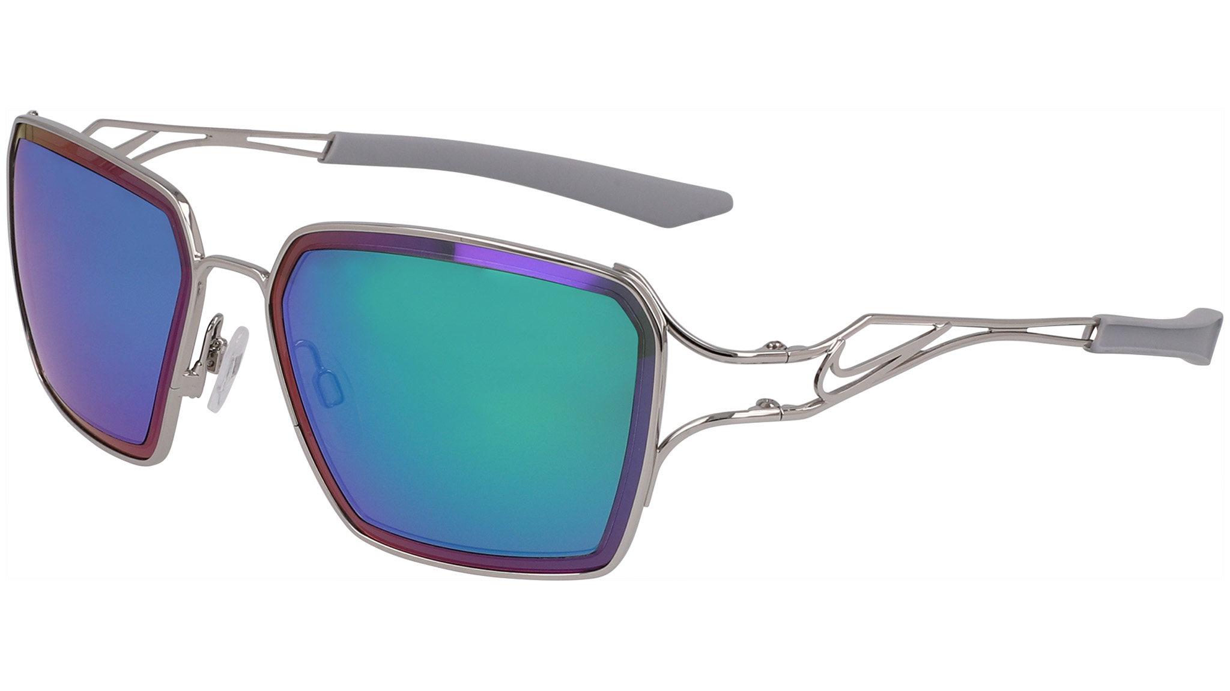 | NIKE | NIKE - SEP 2024 |  |  |  | NIKE VEIL PRISM | NIKE VEIL PRISM EV24049 | METAL | METAL | NKEV24049 | 041 | SILVER / BLUE / YELLOW | FULL RIM | SQUARE | false | U | Sun | GLOBAL | NK STREETWEAR STATEMENT | CHINA ONLY | 57-14-135 | 6 | € 65.50 | € 144.10 | $84.50 | $169.00
 | NIKE | NIKE - SEP 2024 |  |  |  | NIKE VEIL PRISM | NIKE VEIL PRISM EV24049 | METAL | METAL | NKEV24049 | 043 | SILVER/GREEN MIR/INFRARED MIR | FULL RIM | SQUARE | false | U | Sun | GLOBAL | NK STREETWEAR STATEMENT | CHINA ONLY | 57-14-135 | 6 | € 65.50 | € 144.10 | $84.50 | $169.00
 | NIKE | NIKE - SEP 2024 |  |  | ad image | NIKE VEIL PRISM | NIKE VEIL PRISM EV24049 | METAL | METAL | NKEV24049 | 708 | GOLD / SILVER MIR / GOLD MIR | FULL RIM | SQUARE | false | U | Sun | GLOBAL | NK STREETWEAR STATEMENT | CHINA ONLY | 57-14-135 | 6 | € 65.50 | € 144.10 | $84.50 | $169.00
 | NIKE | NIKE - SEP 2024 |  |  |  | NIKE ZEUS EDGE | NIKE ZEUS EDGE EV24030 | TITANIUM | TITANIUM | NKEV24030 | 410 | BLUE / BLUE MIRROR | SEMI-RIMLESS | MODIFIED RECTANGLE | false | M | Sun | GLOBAL | NK PERFORMANCE ELITE | CHINA ONLY | 76-05-125 | 8 | € 83.50 | € 183.70 | $120.00 | $240.00
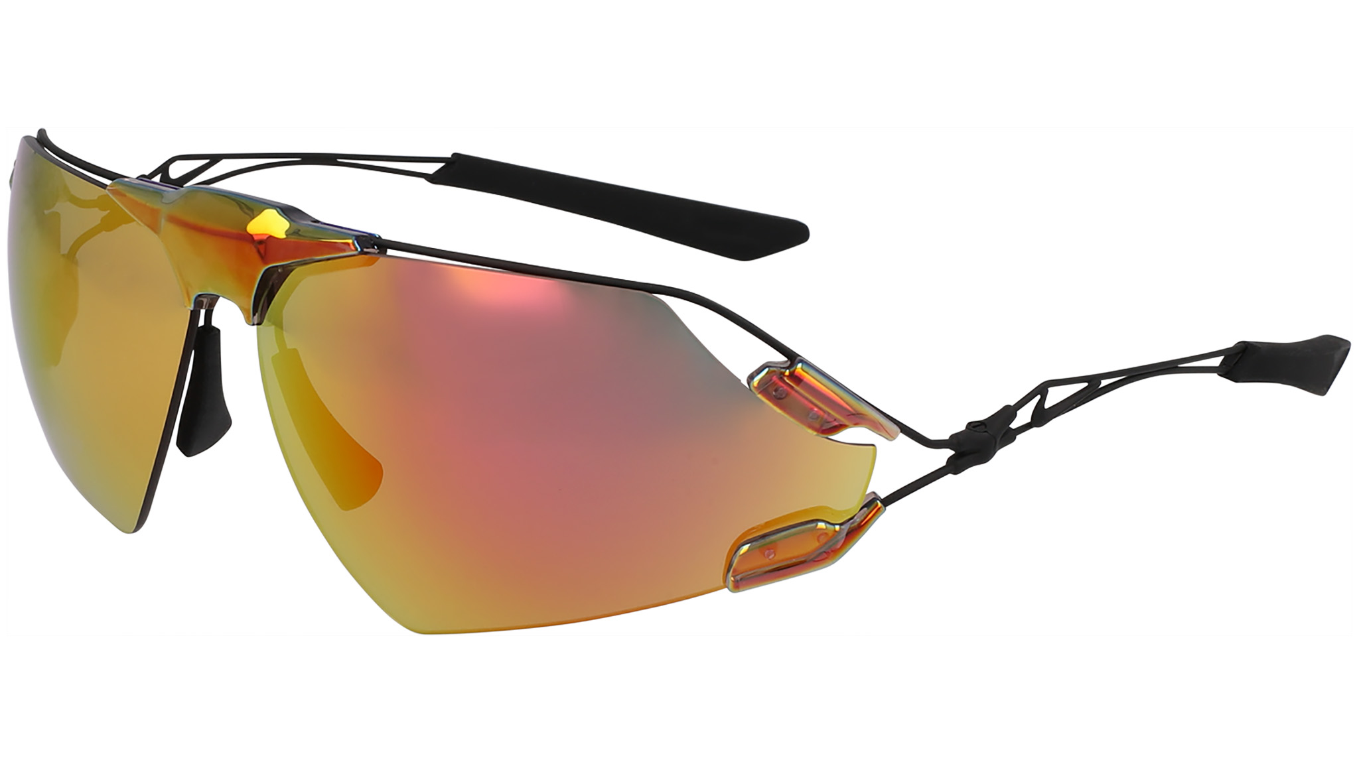 | NIKE | NIKE - SEP 2024 |  |  |  | NIKE ZEUS EDGE | NIKE ZEUS EDGE EV24030 | TITANIUM | TITANIUM | NKEV24030 | 700 | GOLD / GOLD MIRROR | SEMI-RIMLESS | MODIFIED RECTANGLE | false | M | Sun | GLOBAL | NK PERFORMANCE ELITE | CHINA ONLY | 76-05-125 | 8 | € 83.50 | € 183.70 | $120.00 | $240.00
 | NIKE | NIKE - SEP 2024 |  |  |  | NIKE ZEUS EDGE | NIKE ZEUS EDGE E EV24031 | TITANIUM | TITANIUM | NKEV24031 | 891 | TOTAL ORANGE / ROAD TINT ORANGE MIRROR | SEMI-RIMLESS | MODIFIED RECTANGLE | false | M | Sun | GLOBAL | NK PERFORMANCE ELITE | CHINA ONLY | 76-05-125 | 8 | € 95.00 | € 209.00 | $125.00 | $250.00
 | NIKE | NIKE - SEP 2024 |  |  |  | NIKE ZEUS EDGE | NIKE ZEUS EDGE P EV24032 | TITANIUM | TITANIUM | NKEV24032 | 010 | MATTE BLACK / POLAR GREY | SEMI-RIMLESS | MODIFIED RECTANGLE | false | M | Sun | GLOBAL | NK PERFORMANCE ELITE | CHINA ONLY | 76-05-125 | 8 | € 99.50 | € 218.90 | $130.00 | $260.00

